Proposals
Decision | Prop. No. | Cl. | Subсl. / sous-cl. | ID No. or Place / Nº ID ou endroit | EN Existing entry | EN Action | EN New or modified entry | FR Entrée existante | FR Action | FR Nouvelle entrée ou entrée modifiée | New Cl. / Nlle cl. | New Subcl. / Nlle sous-cl. | Remarks / Remarques | Comments from Offices / Commentaires des Offices | Response to comments / Réponse aux commentaires
R | ES-16-1 | 1 | 99 |  |  | Add | Presentation of culinary dishes |  | Ajouter | Présentation de plats culinaires |  |  | Culinary art is becoming more and more relevant. We expect an increase in such requests, as we have received enquiries on this issue. | FR: Or cl.32-02? | We consider more appropiate 01-99. We consider that class 32.02 is referred to spatial arrangements.
A | FR-16-1 | 2 | 01 |  |  | Add | Menstrual knickers / Menstrual panties |  | Ajouter | Culottes menstruelles |  |  | Avec les sous-vêtements With underwear | IB: We suggest aligning the wording with the existing ID No.100053 Knickers / Panties // Culottes [sous-vêtements] entry in 02-01. Therefore, the EN would read as "Menstrual knickers / Menstrual panties". Is the clarification [sous-vêtements] required in FR? // Nous suggérons d'aligner avec ID 100053 en 02-01. Par conséquent, en EN "Menstrual knickers / Menstrual panties". La précision [sous-vêtements] est-elle nécessaire en FR? | OK pour la version anglais. En français, la précision [sous-vêtements] ne parait pas nécessaire OK fot the wording in English. In French the clarification doesn't seem necessary
A | SA-16-94 | 2 | 02 |  |  | Add | Abayas |  | Ajouter | Abayas |  |  |  | ES: We find the term too specific. We would use the current term "Cloaks" in class 02.02 | We thank you for your comment, as for this proposal, we would like to keep it. And, we look forward to disscus it at CEL16.
A | FR-16-2 | 2 | 02 | 100092 | Stoles | Change & Transfer | Stoles [scarves] | Étoles | Changer & transférer | Étoles [écharpes] | 2 | 05 | Ranger avec les écharpes. Group with scarves | KR: Should 100106 'Tippets' and 100076 'Boas [necklets]', (02-02) also be transferred from 02-02 to 02-05? IB: The definition of "Stole" is "a long wide scarf or similar covering worn by women usually across the shoulders" (Merriam Webster). However, it is also a liturgical vestment. If this is approved, is it necessary to add a clarification to the entry, such as "Stoles [scarves]" in 02-05 or is the ID 100123 "Religious apparel" sufficient to cover "Stoles [vestments]" in 02-02? // La définition du mot "Étole" est "large écharpe de fourrure portée sur les épaules" (Larousse). Mais une étole est aussi un vêtement liturgique. Si cela est approuvé, est-il nécessaire d'ajouter une clarification à l'entrée, comme "Étoles [écharpes]" en 02-05 ou l'ID no. 100123 "Vêtements sacerdotaux" est-il suffisant pour couvrir "Étoles [vêtements sacerdotaux]" en 02-02? | Oui, au moins pour les Boas [tours de cou] Yes, at least for Boas [necklets] ok (IB comment)
A | FR-16-18 | 2 | 02 | 100076 | Boas [necklets] | Transfer |  | Boas [tours de cou] | Transférer |  | 2 | 05
A | IB-16-78 | 2 | 02 | 100085 | Working clothes / Workmen's overalls | Change | Workwear | Combinaisons de travail [vêtements] / Habits de travail / Salopettes | Changer | Habits de travail |  |  | This proposal is part of a series of proposals aiming to update the language used in LOC and, where possible, to use more inclusive language Cette proposition fait partie d'une série de propositions visant à moderniser le langage utilisé dans la LOC et, si possible, utiliser un langage plus inclusif
A+ | IB-16-79 | 2 | 02 |  |  | Add | Coveralls |  | Ajouter | Combinaisons de travail [vêtements] |  |  | 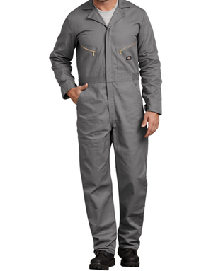 |  | IB: Do the French-speaking offices think that the qualification "[vêtements]" is necessary?
A | IB-16-80 | 2 | 02 | 100074 | Overalls | Change | Overalls / Bib and brace overalls | Blouses de travail | Changer | Salopettes |  |  | 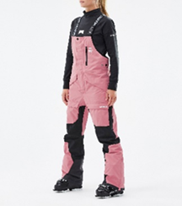 | The EN term already exists in 02-02: ID No. 100074 "Overalls" (FR entry: "Blouses de travail") | IB: We thank DE for their pertinent comment. Regarding 100074, we believe that the FR term "Blouses de travail" would be covered by the IB-16-78 proposed change to 100085 "Workwear / Habits de travail". Consequently, we have amended IB-16-80 so that instead of a new addition, it becomes a change to existing ID 100074 "Overalls / Bib and brace overalls / Salopettes". This proposed change would cover these types of items that are also worn as streetwear, sportswear (e.g. ski salopettes) as well as work clothing.
A | IB-16-81 | 2 | 02 | 100086 | Suits of clothes for men | Delete |  | Complets [vêtements] | Supprimer
A | IB-16-82 | 2 | 02 | 100126 | Ladies' suits | Delete |  | Tailleurs | Supprimer
A+ | IB-16-83 | 2 | 02 |  |  | Add | Business suits |  | Ajouter | Costumes d'affaires / Tailleurs d'affaires |  |  | 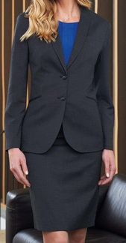
A+ | IB-16-84 | 2 | 02 | 100102 | Sailor blouses [for women] / Middy blouses | Change | Sailor-collared blouses / Middy blouses | Marinières | Changer | Blouses à col marin |  |  | 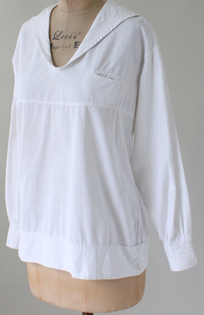 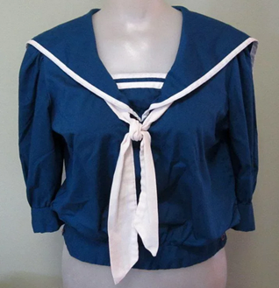
A | ES-16-5 | 2 | 02 |  |  | Add | Dance costumes |  | Ajouter | Costumes de danse |  |  | There is a classification 100173 for Dancing shoes, and for Traditional dresses or costumes 104849 but not one for dance costumes. | IB: Note that there is an existing entry for Ballet skirts / Tutus // Tutus (ID No. 100117) in 02-02. Could you please provide more information about the type of "Dance costumes" (definitions, images, web links, etc.) that are referred to in this proposal? | There are other products that does not fit in tutus or ballets skirts.
A | ES-16-3 | 2 | 02 |  |  | Add | Sleeveless tops |  | Ajouter | Tops sans manches / Hauts sans manches |  |  | There is already a classification for T-Shirts 100131 but this is more specific. | IB: A T-shirt generally has sleeves and is the same shape as the letter "T" (hence the name). A proposal to change 104673 to "Sleeveless shirts / Débardeurs" was withdrawn at CEL13, and an entry for "Sleeveless sweaters / Pull-overs sans manches" (ID 104847) was approved instead. However, it may be useful to include an indication for sleeveless clothing other than sweaters, such as "sleeveless tops" in the Classification. | We agree in "Sleeveless tops".
A | ES-16-2 | 2 | 02 |  |  | Add | Sport shorts |  | Ajouter | Shorts de sport |  |  | We propose this product indication in parallel with the already existing 100100 "Singlets for gymnastics" and taking into account the number of garment designs that are being developed. | IB: We agree that sports clothing belongs to 02-02 but wonder if it is necessary to add a specific indication for "Sports shorts" when there is an existing entry in 02-02 for: 100113 Shorts // Shorts | We consider sport shorts as a different kind of shorts. Nowadays there is an increasing interest in sports clothing.
A | SA-16-6 | 2 | 03 |  |  | Add | Cords for securing headdresses |  | Ajouter | Cordons de fixation des coiffures |  |  | Headband for men | IB: In terms of wording, the IB suggests "Cords for securing headdresses". ES: We propose to use a more generic term which could cover any means of securing headdresses | We would like to thank you for your comments, we would modify it to "Cords for securing headdresses".
R | RU-16-6 | 2 | 04 | Subclass Heading / Intitulé de sous-classe | FOOTWEAR, SOCKS AND STOCKINGS | Change | FOOTWEAR | CHAUSSURES, BAS ET CHAUSSETTES | Changer | CHAUSSURES |  |  | We propose to create a new subclass Cl. 02-08 SOCKS AND STOCKINGS. All goods of Cl. 02-08 are transferred from Cl. 02-04. The reasons are as follows： Goods of Cl.02-04 can be divided into two categories: (a) FOOTWEAR; (b) SOCKS AND STOCKINGS. Goods in Cl. 02-04 are numerous and miscellaneous but stockings and socks have the other appearance than footwear. At the same time, the number of items of socks and stockings is much less than the number of footwear. So it is difficult to find them when searching. In this regard, it seems appropriate to create a new separate subclass for socks and stockings.
R | RU-16-6 | 2 | 04 | Note(s) | Including special boots for sports such as football, skiing and climbing, orthopaedic footwear and socks, as well as tights, gaiters and other legwear. | Change | a. Including special boots for sports such as football, skiing and climbing, orthopaedic footwear. b. Not including socks and stockings. | Y compris les chaussures spéciales de sport, telles que les chaussures de football, de ski, de montagne, chaussures et chaussettes orthopédiques, de même que les collants (bas-culottes), les guêtres et autres pièces d'habillement pour les jambes. | Changer | a. Y compris les chaussures spéciales de sport, telles que les chaussures de football, de ski, de montagne, chaussures orthopédiques. b. Non compris les chaussettes et les bas.
R | RU-16-7 | 2 |  | Subclass Heading / Intitulé de sous-classe |  | Add Subclass | SOCKS AND STOCKINGS |  | Ajouter sous-classe | CHAUSSETTES ET BAS |  | 08
R | RU-16-7 | 2 |  | Note(s) |  | Add | Including tights, gaiters and other legwear, as well as orthopaedic socks. |  | Ajouter | Y compris les collants (bas-culottes), les guêtres et autres pièces d'habillement pour les jambes, de même que les chaussettes orthopédiques. |  | 08 |  | IB: As "socks" is mentioned in the new Subclass Heading, the IB doesn't consider it necessary to repeat it in the Note. Therefore, the IB suggests: Including tights, gaiters and other legwear, as well as orthopaedic socks. | RU: we agree with the IB proposal
R | RU-16-16 | 2 | 04 | 100178 | Gaiters | Transfer |  | Guêtres | Transférer |  | 2 | 08
R | RU-16-8 | 2 | 04 | 100169 | Infants' leggings | Transfer |  | Combinaisons-chaussons pour bébés | Transférer |  | 2 | 08 |  | KR: We think that 'Puttees' and 'Knee pads' should be transfered as well. 100182 Puttees 100177 Knee pads IB: The IB would also transfer 100182 "Puttees // Bandes molletières" from 02-04 to the new Subclass 02-08. We also think the classification of 100177 "Knee pads // Genouillères" (02-04) should be discussed in the context of this proposal for a new Subclass. | RU: we agree with the IB proposals
R | RU-16-19 | 2 | 04 | 100177 | Knee pads | Transfer |  | Genouillères | Transférer |  | 2 | 08
R | RU-16-9 | 2 | 04 | 100179 | Leggings | Transfer |  | Jambières | Transférer |  | 2 | 08
R | RU-16-10 | 2 | 04 | 104933 | Maternity tights | Transfer |  | Collants pour la grossesse | Transférer |  | 2 | 08
R | RU-16-11 | 2 | 04 | 100187 | Medical stockings | Transfer |  | Bas médicaux | Transférer |  | 2 | 08
R | RU-16-12 | 2 | 04 | 100191 | Orthopaedic socks / Orthopedic socks | Transfer |  | Chaussettes orthopédiques | Transférer |  | 2 | 08
R | RU-16-17 | 2 | 04 | 100159 | Panty hose / Tights | Transfer |  | Collants | Transférer |  | 2 | 08
R | RU-16-18 | 2 | 04 | 100182 | Puttees | Transfer |  | Bandes molletières | Transférer |  | 2 | 08
R | RU-16-13 | 2 | 04 | 100163 | Socks | Transfer |  | Chaussettes | Transférer |  | 2 | 08
R | RU-16-15 | 2 | 04 | 100171 | Spats | Transfer |  | Demi-guêtres | Transférer |  | 2 | 08
R | RU-16-14 | 2 | 04 | 100158 | Stockings | Transfer |  | Bas | Transférer |  | 2 | 08
A | ES-16-6 | 2 | 07 |  |  | Add | Crochet boards for needlework |  | Ajouter | Planches à crocheter |  |  | We have received many such requests. | IB: Please can you provide more information about these goods because "Planche à crochets" is used to refer to a type of coat/hat hanger: If you wish to refer to goods used to assist in crocheting as seems to be shown in the image provided, we agree that "Crochet boards for needlework // Planches à crocheter" could be classified in 02-07. | We confirm:Crochet boards for needlework // Planches à crocheter could be classified in 02-07.
R | BG-16-1 | 2 | 07 |  |  | Add | Hand knitted accessories |  | Ajouter | Accessoires tricotés à la main |  |  | Handmade/Hand knitted clothing accessories like wristbands, kneebands, etc. CE: The CE considered that this proposal was too broad. | KR: The term 'Accessories' is not specific. Also, rather than being classified as a knitting product in 02-07, it seems appropriate to be classified according to the purpose. CN: We believe that the classification number should be determined according to the specific products. Such as wristbands in 02-06 and kneepads in 02-04. IB: For the purposes of the Locarno Classification Alphabetical List, it is preferable to specify the accessories in question. Note that 100280 "Wristbands [clothing] / Manchettes [habillement]" are already listed in 02-07 (regardless of the material of which they are made).
A | SA-16-59 | 3 | 01 |  |  | Add | Cases for tablet computers |  | Ajouter | Étuis pour tablettes électroniques |  |  | 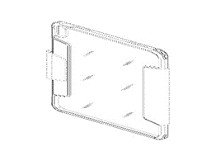 | CN: We think the item is too broad.How about the cases for phones or detecting instruments? IB: The IB finds the term "electronic devices" too broad. However, the IB notes that there are existing entries in 03-01 for: 100375 Cases for electronic organizers // Étuis pour agendas électroniques 100376 Cases for mobile telephones // Étuis pour téléphones mobiles 100370 Cases for portable computers // Mallettes pour ordinateurs portables ES: The term is too broad. There is a huge number of different electronic devices. | We would like to modify it to "Cases for tablet computer".
R | SA-16-118 | 3 | 01 |  |  | Add | Phone maintenance tool organizers |  | Ajouter | Organisateurs d'outils de maintenance téléphonique |  |  | 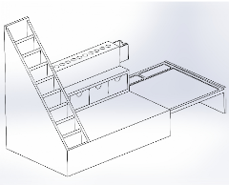 | CN: We think this is the organizer for putting tools, not the tools themselves.So we would prefer to classify it in 06-04 or 03-01. IB: if you are proposing some kind of "Tool organizer boxes for phone maintenance tools", we would suggest 03-01 by analogy with 100286" Tool boxes / Boîtes à outils" and 104937 "Pill organizer boxes / Piluliers". ES: We suggest class 03.01 as it could be found there other organiser boxes. | We would likee to modify it to 03-01.
A | IB-16-85 | 3 | 03 | 104858 | Guide sticks for the visually impaired | Change | Mobility canes for persons with visual impairments | Cannes pour déficients visuels | Changer | Cannes de mobilité pour les personnes ayant une déficience visuelle |  |  | 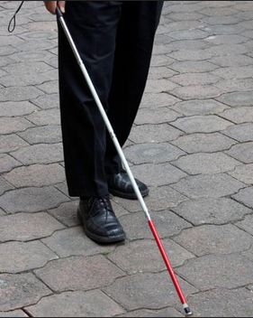 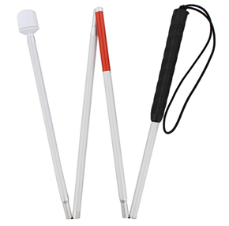
R | ES-16-7 | 6 | 01 |  |  | Add | Chairs with armrests |  | Ajouter | Chaises avec accoudoirs |  |  | 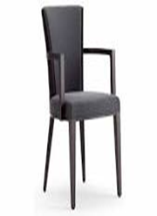 It is quite a common type of seat. We can not find the product indication among the differente type of Seats in class 6.01. CE: The CE considered that there are sufficient indications in 06-01 for this type of good, including 100529 "Armchairs // Fauteuils". | CN: See 100529 Armchairs. IB: We note that there are already several types of chairs listed in 06-01 which can be considered to be types of "Chairs with armrests", for example: 100527 Fireside chairs // Chauffeuses 100531 Garden chairs // Sièges de jardin 100547 Office chairs // Chaises de bureau | Thanks to the IB for the explanation, however, we condider that there are other kinds of chairs which does not fit in those terms and does have arm rests. On the other hand, we think that "armchair" (100529) is usually used for large and confortable chairs:
A | IB-16-86 | 6 | 01 | 100537 | Seats for fishermen | Change | Fishing seats | Sièges de pêcheur | Changer | Sièges de pêche |  |  | 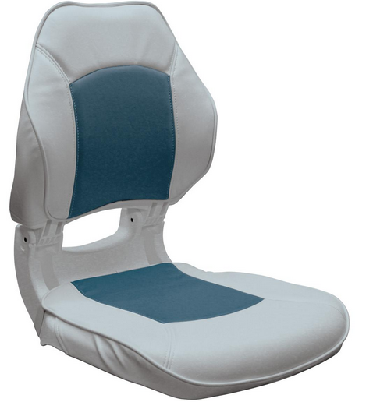
W | IB-16-87 | 6 | 01 |  |  | Add | Fishing stools |  | Ajouter | Tabourets de pêche |  |  | 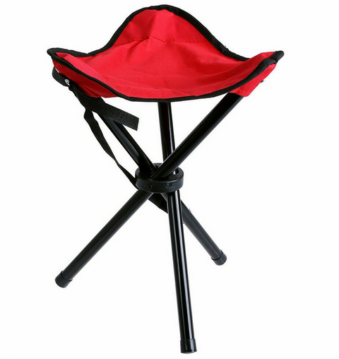
A | SA-16-110 | 6 | 01 |  |  | Add | Shower chairs |  | Ajouter | Chaises de douche |  |  |  | ES: Please, be aware that there is an already term "Shower seats" in class 06.01 | We would like to thank you for your comment, but we could not find the term in class 06-01
A | IB-16-88 | 6 | 02 | 100558 | Invalid beds | Change | Beds for persons with disabilities | Lits pour invalides | Changer | Lits pour personnes handicapées |  |  | 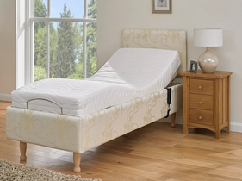
A | KR-16-1 | 6 | 02 |  |  | Add | Massaging beds |  | Ajouter | Lits massants |  |  | To confirm that these goods are considered to be furnitures (06-02) rather than medical apparatus (28-03). By analogy with 06-01 Massaging chairs (104711).
W | DE-16-1 | 6 | 03 |  |  | Add | Worktables [manufacturing] |  | Ajouter | Tables de travail [fabrication] |  |  | 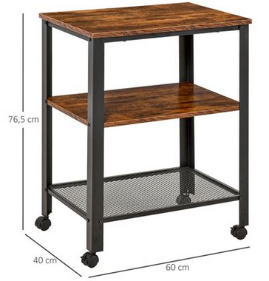 Image source: DPMAregister_402022100875-0001 | IB: This seems to be already covered by the existing entry 100572 "Work benches / Établis" in 06-03. | We thank IB, CN, ES and KR for their comments. We would be interested in the opinion of the committee and will keep the proposal. Maybe it would be also possible to change the existing entry "Work benches" into "Worktables".
A | FR-16-3 | 6 | 04 | 100615 | Clothes racks |  |  | Penderies à vêtements | Changer | Portants à vêtements |  |  | En français, on dirait portant plutôt que penderie (qui est un meuble fermé comme une armoire) In French "penderie" means wardrobe "Portant" is the correct translation | IB: As the term "portant" is polysemic, we suggest "Portants à vêtements" (without square brackets) for the FR term. // Le terme "portant" étant polysémique, nous proposons "Portants à vêtements" (sans crochets) pour le terme FR. | ok
A | FR-16-17 | 6 | 04 | 100611 | Wardrobes |  |  | Garde-robes | Changer | Penderies |  |  | In French "garde robe" means the clothes you own. The correct translation of Wardrobe is "penderie"
A | DE-16-2 | 6 | 04 |  |  | Add | Laundry hamper cabinets |  | Ajouter | Meubles avec paniers à linge |  |  | Image source: DPMAregister 402019000456-0004, 008245740-0001, https://www.otto.de/p/relaxdays-waeschekorb-waeschesammler-duo-walnuss-S030R0F7/#variationId=S030R0F7KDLS | 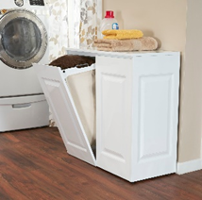 IB: The IB does not see the two terms as synonyms. We prefer just "Laundry hamper cabinets" in 06-04, which would refer to these types of storage furniture items: Note that there is an existing entry 101055 "Laundry baskets / Corbeilles à linge" in 07-07 to refer to these types of goods: | Following the comment we modify the proposal into "Laundry hamper cabinets".
A | FR-16-4 | 6 | 06 |  |  | Add | Base stands [furniture] for washing or drying machines |  | Ajouter | Socles [meubles] pour machines à laver ou à sécher |  |  | Un socle/meuble pour surélever ou intégrer une machine A piece of furniture where you insert a machine or to make it higher | IB: In EN, we suggest "Base stands [furniture] for washing or drying machines". // Pour FR, nous suggérons "Socles [meubles] pour machines à laver ou à sécher". | ok
R | DE-16-4 | 6 | 06 |  |  | Add | Furniture components [also modular] |  | Ajouter | Eléments de meubles [aussi modulaires] |  |  | Proposed to classify furniture parts that are part of a modular system. Image source: Global design database DM/222 388 - Modular furniture component | IB: We find the wording "elements" rather broad. Please could you provide more information about these goods? We understand that "modular furniture" consists of several pieces of standardized (but individually functional) items of furniture that can be combined to create different designs. We think that "Seats" (06-01), "Tables" (06-03), "Shelves" (06-04) could all be considered as "parts of modular systems". | The proposed term is intended to cover those parts of furniture which have no independent function, but only fullfill a function together with other parts. In many cases such components are also integrated into modular furniture systems. Following the comment we modify the proposal into "Furniture components [also modular]".
A | DE-16-3 | 6 | 06 |  |  | Add | Learning towers [furniture] |  | Ajouter | Tours d'apprentissage |  |  | 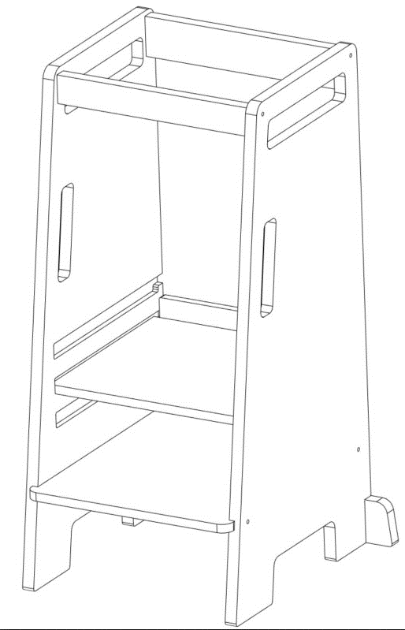 A learning tower is similar to a high chair for children. However, the child does not sit here, but stands. Image source: Global design database 008780340-0001 - Learning towers | IB: This seems to be a type of "step stool" for children. We note that there is an existing entry 104139 "Step stools // Marchepieds [escabeaux] / Tabourets-échelles" in 25-04. | 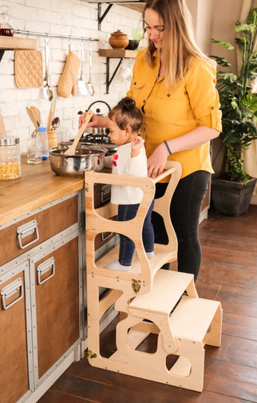 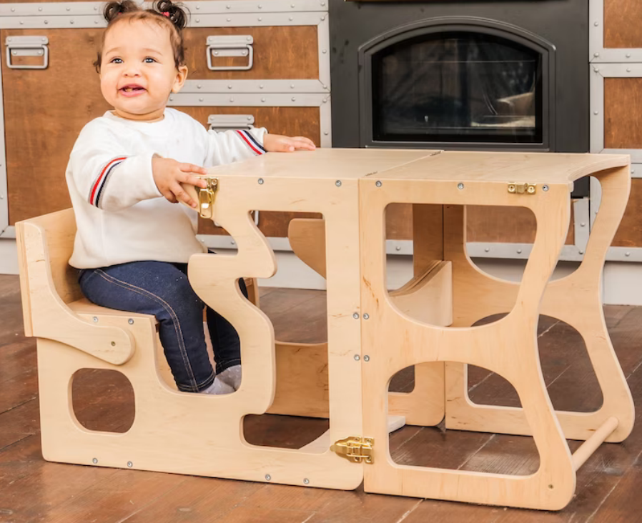 In the global design database there are entries for learning towers in cl. 06-04 and 06-06. We would like to stimulate discussion in the meeting. We prefer cl. 06 because it is more a piece of furniture with different functions. Image source: https://www.etsy.com/
A | KR-16-2 | 6 | 09 |  |  | Add | Massaging pillows |  | Ajouter | Oreillers massants |  |  | These apparatus have functions such as heat and massage, and are used while sleeping for a deep sleep. To confirm that these goods are considered to be pillows (06-09) rather than massage appliances (28-03).
A+ | ES-16-15 | 6 | 11 |  |  | Add | Disinfectant doormats |  | Ajouter | Paillassons désinfectants |  |  | 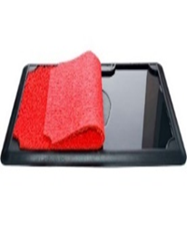 During the pandemic, the number of disinfection-related designs grew, particularly disinfectant mats. | CN: We would classify these goods in 06-11 by analogy with 100735 Doormats. IB: In terms of wording, the IB suggests "Disinfectant mats". Please could you provide more information about this product? It seems to be just a mat (Cl. 06-11) that is capable of absorbing liquid disinfectant (which, in any case, would only be applied after purchase). | We accept "Disinfectant mats". It seems to be just a mat (Cl. 06-11). We confirm that it is a mat capable of absorbing liquid disinfectant.
A | SA-16-126 | 6 | 11 |  |  | Add | Prayer mats |  | Ajouter | Tapis de prière |  |  |  | ES: We find the term too specific. We would use the current term "Carpets, mats and rugs" for prayer mats | We thank you for your comment, but we would like to keep the proposal as it is.
A | SA-16-35 | 6 | 13 |  |  | Add | Disposable tablecloths |  | Ajouter | Nappes jetables |  |  | 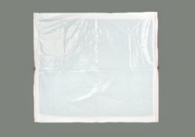 | KR: Isn't these products made up? If so, we would classify these goods in 06-13. CN: we would prefer to classify these goods in 06-13 by analogy with 100758 Tablecloths. IB: Note that there is an existing entry in 06-13 for: 100758 Tablecloths // Nappes Therefore, the IB would classify "Disposable tablecloths" in 06-13. ES: We propose class 06.13 as there is also an existing entry for "Tableclothes" | We would like to modify it to 06-13
A | ES-16-9 | 7 | 01 |  |  | Add | Baby dishes |  | Ajouter | Vaisselle pour bébés |  |  | The design of forks, spoons and plates for babies is very specific (containing gripping elements, safe and user-friendly shapes) and different from that used by adults. | DE: We are not sure about the subclass. Subclass "07-01" includes dishes, so it seems more appropriate. CN: We would prefer to classify these goods in 07-01. IB: The IB would classify "Baby dishes" in 07-01 with other dishes. | We agree on class 07-01.
A | IB-16-7 | 7 | 02 | 100856 | Cooking appliances, utensils and containers | Delete |  | Appareils, ustensiles et récipients pour la cuisson | Supprimer |  |  |  | This wording already exists in the Subclass Heading and there are sufficient individual entries in 07-02. | CN: To be considered with proposal SA-16-78 and FR-16-15. How about class 07-08. | IB: We thank CN for their comment, but are not sure of the connection with SA-16-78 (addition of "Pharmaceutical products" in 28-01) nor with FR-16-15 (addition of "Fixed arrangements of objects" in 32-02). Nor are we sure about the suggestion to move ID 100856 to 07-08 "Fireplace implements"?
A | ES-16-8 | 7 | 03 |  |  | Add | Baby cutlery |  | Ajouter | Couverts pour bébé |  |  | The design of forks, spoons and plates for babies is very specific (containing gripping elements, safe and user-friendly shapes) and different from that used by adults. | KR: We would classify these goods in 07-03. DE: We are not sure about the subclass. There is a special subclass "07-03 TABLE CUTLERY" that seems appropriate here. CN: We would prefer to classify these goods in 07-03. IB: The IB would classify "Baby cutlery" in 07-03 with other table cutlery. FR: cl.07-03? | We agree on class 07-03.
A | IB-16-8 | 7 | 03 | 100904 | Carving sets | Change | Meat carving sets | Services à découper la volaille | Changer | Services à découper la viande |  |  | The current French term refers specifically to "poultry". The proposed change aligns the English and French without the need to specify the type of meat being carved.
A | SA-16-104 | 7 | 03 |  |  | Add | Sporks |  | Ajouter | Cuillères-fourchettes |  |  |  | IB: The IB supports this proposal. ES: Agree
A | DE-16-6 | 7 | 04 |  |  | Add | Pastry wheels |  | Ajouter | Roulettes à pâte |  |  | Image source: Global design database 009147986-0001 - Pastry wheel | IB: We prefer "Pastry wheels" in EN. | Following the comment we modify the proposal into "Pastry wheels".
A | DE-16-7 | 7 | 04 |  |  | Add | Turners [household] |  | Ajouter | Spatules [ménage] |  |  | We found such designs in the global design database classified in different subclasses. Sometimes the designs are classified in cl. 07-02 and sometimes in cl. 07-04. To clarify the classification we suggest to add the term. Image source: Global design database D969572 - Turner | ES: Don't fully understand. In 7.04 we find the term 100913 Spatulas for cooking, CN: Due to the different stages of use, the classification numbers of this kind of goods are different. We suggest keeping it as it is. IB: This seems to be already covered by the existing entry 100913 "Spatulas for cooking / Spatules de cuisine" in 07-04. | In order to harmonize the classification of such kitchen tools, we prefer a more specific term.So we keep our proposal.
A | SA-16-73 | 7 | 05 |  |  | Add | Handheld clothes steamers |  | Ajouter | Défroisseurs portatifs pour vêtements |  |  |  | IB: In terms of wording, the IB suggests "Handheld clothes steamers". ES: Agree | We would like to modify it to "Handheld clothes steamers".
A | DE-16-5 | 7 | 06 |  |  | Add | Pizza cutters |  | Ajouter | Trancheurs de pizza |  |  | Image source: Global design database 360617-001, 009082837-0008 - Pizza cutters
A | KR-16-4 | 7 | 06 |  |  | Add | Salad tongs |  | Ajouter | Pinces à salade |  |  | By analogy with 07-06 Spaghetti tongs (101024). | IB: The IB supports this proposal. "Salad tongs" are one implement or two implements that are connected together and used for lifting the salad. See other similar kitchen utensils: 101022 Ice tongs / Pinces à glace, 101025 Sugar tongs / Pinces à sucre in 07-06. Note that 100907 Salad servers / Services à salade in 07-03 refers to a different item that consists of two separate implements (a spoon and a fork) for mixing and serving salad.
A | CN-16-2 | 7 | 99 | 104955 | Clips for lifting hot dishes | Transfer |  | Pinces pour plats chauds | Transférer |  | 7 | 06 | These goods belong to 07-06 OTHER KITCHEN AND TABLE UTENSILS
A | CN-16-3 | 7 | 99 | 104735 | Food covers [domes] | Transfer |  | Cloches alimentaires | Transférer |  | 7 | 06 | These goods belong to 07-06 OTHER KITCHEN AND TABLE UTENSILS | IB: We see a similarity between these goods and 101014 "Tea cosies // Cosys pour théières" and so we support this transfer to 07-06. The EN term will be corrected to "Food covers [domes]". | CN: We thank IB for their comment. , we have modified the EN term to "Food covers [domes]". (instead of "Food covers[domes]")
A+ | DE-16-8 | 8 | 05 | 101230 | Spanners | Transfer |  | Clefs [outils] | Changer & transférer | Clés [outils] | 8 | 04 | Class 08-04 is the special class for SCREWDRIVERS AND OTHER SIMILAR TOOLS AND IMPLEMENTS. From our point of view a spanner is a similiar tool to a screwdriver because Screwdrivers are used to tighten or unscrew screws. A spanner is a tool used to loosen and tighten both bolts and screws. | KR: Should 'Wrenches' also be transferred from 08-05 to 08-04? We think it's appropriate to classify the wrench and spanner together. 101229 Pipe wrenches 101278 Tap wrenches 104737 Lug wrenches IB: There may be other existing entries in 08-05 that need to be considered in the context of these linked proposals DE-16-8 to 13. For example, 101229 Pipe wrenches / Clefs à tubes, 101278 Tap wrenches / Tourne-à-gauche, 104737 Lug wrenches / Démonte-roues. Moreover, if these proposals are approved, then it would be preferable to amend the Subclass Heading of 08-04 accordingly. | We agree with the comments and extend our proposals (DE-16-8 to 13) to also transfer the following entries to cl. 08-04: ID 101229 Pipe wrenches // Clefs à tubes ID 101278 Tap wrenches // Tourne-à-gauche ID 104737 Lug wrenches // Démonte-roues
A+ | DE-16-22 | 8 | 05 | 101229 | Pipe wrenches | Transfer |  | Clefs à tubes | Changer & transférer | Clés à tubes | 8 | 04
A | DE-16-23 | 8 | 05 | 101278 | Tap wrenches | Transfer |  | Tourne-à-gauche | Transférer |  | 8 | 04
A | DE-16-24 | 8 | 05 | 104737 | Lug wrenches | Transfer |  | Démonte-roues | Transférer |  | 8 | 04
A | DE-16-9 | 8 | 04 |  |  | Add | Combination wrenches |  | Ajouter | Clés mixtes |  |  | 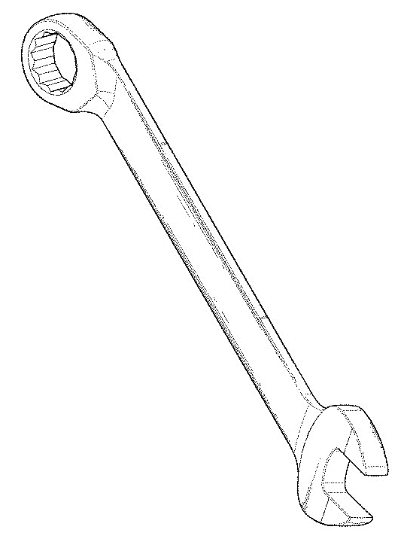 Image source: Global design database D687691 - Combination wrench | IB: idem - see comment for DE-16-8
A | DE-16-11 | 8 | 04 |  |  | Add | Nut drivers |  | Ajouter | Clés à douilles |  |  | Image source: Global design database 402017200715-0011
A | DE-16-10 | 8 | 04 |  |  | Add | Ratchet drivers |  | Ajouter | Clés à cliquet |  |  | Image source: Global design database 005231347-0002 - Ratchet drivers
A | DE-16-13 | 8 | 04 |  |  | Add | Screwdriver bits |  | Ajouter | Embouts pour tournevis |  |  | Image source: Global design database 008545420-0001 | IB: We agree that "Screwdriver bits" would be classified with "Screwdrivers" in 08-04. We also note the existing entry 101122 "Bits [tools] / Mèches [outils]" in 08-01, which refers to drill bits. If proposal DE-16-13 is approved, ID 101122 may also need to be amended for clarity.
A | DE-16-12 | 8 | 04 |  |  | Add | Socket wrench heads [including adapters] |  | Ajouter | Inserts pour clés à douille [y compris les adaptateurs] |  |  | Image source: Global design database 402015101353-0001 | IB: There is no entry in LOC for simply "Socket spanners" or "Socket wrenches" which we think should accompany this proposal. In terms of wording, we suggest "Socket wrenches" as that is the more common term. With respect to this proposal, these goods are commonly called sockets or sometimes heads. We therefore suggest rewording this proposal as *Socket wrench heads [including adapters]". | Following the comment we modify the proposal into "Socket wrench heads [including adapters]".
A+ | IB-16-300 | 8 | 04 | Subclass Heading / Intitulé de sous-classe | SCREWDRIVERS AND OTHER SIMILAR TOOLS AND IMPLEMENTS | Change | SCREWDRIVERS, SPANNERS AND WRENCHES, AS WELL AS THEIR ATTACHMENTS | TOURNEVIS, OUTILS ET INSTRUMENTS ANALOGUES | Changer | TOURNEVIS ET CLÉS AINSI QUE LEURS ACCESSOIRES |  |  | CE: This change was proposed by the CE in light of the transfers and additions approved for 08-04.
A+ | IB-16-301 | 8 | 01 | 101122 | Bits [tools] | Change | Drill bits | Mèches [outils] | Changer | Mèches de forage |  |  | CE: This change was proposed by the CE after the approval of proposal DE-16-13 for the addition of "Screwdriver bits" to 08-04.
A | SA-16-31 | 8 | 05 |  |  | Add | Moulds for logos / Molds for logos |  | Ajouter | Moules pour logos |  |  | 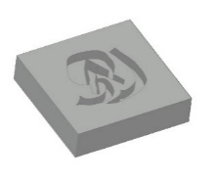 | KR: We would classify these goods in 08-05 by an analogy with 08-05 'Ingot moulds / Ingot molds' (101257). CN: we would prefer to classify these goods in 08-05. IB: In terms of wording, the IB suggests "Moulds for logos // Molds for logos". However, please could you provide more information about these goods and the justification for classifying them in 18-99? ES: We would classify it in 08.05 | We would modify it to 08-05, and as for the wording "Moulds for logos // Molds for logos".
A | DE-16-14 | 8 | 05 |  |  | Add | Pumps for inflating balls or balloons, hand-operated |  | Ajouter | Pompes pour gonfler les balles ou les ballons, actionnées manuellement |  |  | 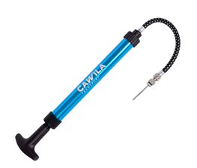 Image source: www.volleyballdirekt.de/cawila-aluminium-ballpumpe-pro-unisex-1978143.html, www.mytoys.de/procos-ballonpumpe-party-16573725.html | IB: We suggest "Pumps for inflating balls or balloons, hand-operated". | Following the comment modify the proposal into "Pumps for inflating balls or balloons, hand-operated".
A+ | IB-16-10 | 8 | 06 |  |  | Add | Bathtub gGrab bars for bathtubs or showers / Bath grips |  | Ajouter | Barres d'appui pour baignoires ou douches |  |  | 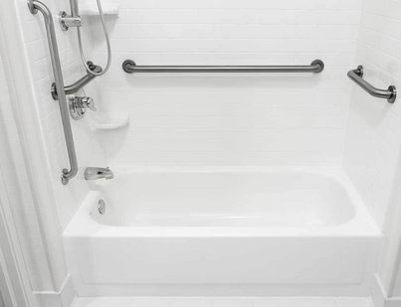 We think that these goods can be classified in 08-06 as a type of handle. | CN: We would classify these goods in 23-08. | 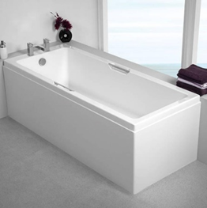 IB: We thank CN for their comment and wonder if other Member States are of the same opinion? We could also consider merging IB-16-10 and 11 to read as "Grab bars for bathtubs or showers / Barres d'appui pour baignoires ou douches".
W | IB-16-11 | 8 | 06 |  |  | Add | Shower grab bars |  | Ajouter | Barres d'appui pour douches |  |  | 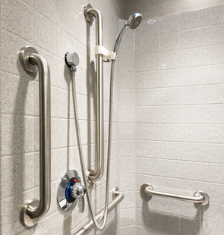 We think that these goods can be classified in 08-06 as a type of handle. | CN: We would classify these goods in 23-08. ES: We thought it might be redundant if they are the same grab bar models | IB: We thank CN for their comment and wonder if other Member States are of the same opinion? Regarding the comment from ES, we could also consider merging IB-16-10 and 11 to read as "Grab bars for bathtubs or showers / Barres d'appui pour baignoires ou douches".
A | NO-16-2 | 8 | 08 |  |  | Add | Brackets for beams [construction] |  | Ajouter | Équerres pour poutres [construction] |  |  | We think this belongs in cl. 25-01, but the CE could also consider cl. 08-08. | CN: Please could you provide us with more information about these goods. IB: The existing entry 103965 "Brackets [woodwork] // Liteaux [menuiserie]" in 25-01, refers to a specific type of good made of wood, used as a support. We can see a case for classifying "Brackets for beams" in Cl. 08-08 as a type of supporting or mounting device. | We modify this proposal to cl. 08-08.
A | NO-16-1 | 8 | 08 |  |  | Add | Brackets for panelling [construction] |  | Ajouter | Tasseaux pour lambris [construction] |  |  | We think this belongs in cl. 25-01, but the CE could also consider cl. 08-08. | CN: Please could you provide us with more information about these goods. IB: The existing entry 103965 "Brackets [woodwork] // Liteaux [menuiserie]" in 25-01, refers to a specific type of good made of wood, used as a support. We can see a case for classifying "Brackets for panelling" in Cl. 08-08 as a type of supporting or mounting device. | We modify this proposal to cl. 08-08.
A | IB-16-9 | 8 | 08 | 101432 | Fittings for showers | Change | Shower risers | Fixations de douches | Changer | Colonnes de douche |  |  | 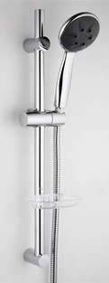 The wording "fittings for showers" is very broad and could include things like 103716 "Shower trays // Bacs de douche" and 103687 "Spray heads for showers // Pommes de douches" in 23-06. | CN: We suggest transfering to 23-06 as a part of showers. ES: We think that other types of fixings for showers can be left out, if the term is very specific. It could be an addition rather than a change. | IB: We thank CN for their comment and wonder if other Member States are of the same opinion? Regarding the comment from ES, we would like to hear the views of other Member States: maintain 101432 "Fittings for showers / Fixations de douches" and add a new entry for "Shower risers / Colonnes de douche"? Or change 101432, as proposed by IB-16-9?
A | IB-16-96 | 8 | 99 | 101499 | Linemen's climbers | Change | Climbers [grips] for lineworkers | Griffes [pour grimper aux poteaux] | Changer | Grimpeurs [poignées] pour monteurs de lignes |  |  | 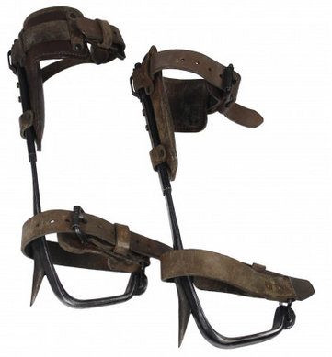 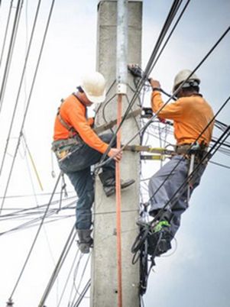
R | SA-16-19 | 9 | 01 |  |  | Add | Detergent bottles |  | Ajouter | Bouteilles pour détergent |  |  | 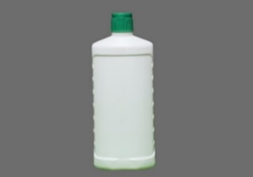 CE: The CE felt that it was not necessary to add indications for all types of bottles in Cl. 09-01. | DE: This generic term seems too vague. It includes any products such as powder, granular or liquid detergents that have to be packed in materials like plastic of different shapes. The item shown in the picture is a bottle, so the existing entry 101512 "Bottles" in class 09-01 might be appropriate in this case. CN: We suggest this term be worded as “Detergent bottles” IB: The IB finds the wording "packages" to be too broad in the context of 09-01. The wording "Detergent bottles" could be acceptable in 09-01 but is it a necessary addition given the broader entry: 101512 Bottles // Bouteilles / Flacons ES: We think there is no need to an specific entry for detergents. It could be classified base on the type of the packages regardless it conteins a detergent. | We would like to modify it to "Detergent bottles".
A | NO-16-16 | 9 | 01 | 101514 | Drinking flasks for travellers / Bottle gourds | Delete |  | Gourdes | Supprimer |  |  |  | We think this entry is too vague. If these are reusable drinking flasks they should not be classified in cl. 09-01. We believe that flasks in cl. 09-01 should be only for packaging use. | IB: If the CE agrees that only flasks or bottles for packaging use belong to Cl. 9 then perhaps a note should be added to 09-01. | We agree and would like an discussion on this.
R | NO-16-15 | 7 | 01 |  |  | Add | Reusable drinking bottles [not insulating] |  | Ajouter | Gourdes [non isolantes] |  |  |  | DE: We are not sure about the subclass. Maybe class 07-07 would be more appropriate (see ID No. 104734 "Lunch boxes" in 07-07). IB: The IB considers these goods are analogous to 101514 "Drinking flasks for travellers / Bottle gourds // Gourdes" in 09-01.
R | ES-16-10 | 9 | 01 |  |  | Add | Plastic carafes |  | Ajouter | Carafes en plastique |  |  | We think this type of plastic carafes differes from the existing product indication 100836 "Carafes" in class 07-01 CHINA, GLASSWARE, DISHES AND OTHER ARTICLES OF A SIMILAR NATURE | KR: We judged that the name and example image are different. We'd like to have more details about this item. DE: Could you please provide further information about the product? The object in the picture looks like a plastic bottle. What is the difference to the existing entry 101512 "Bottles" in 09-01? CN: This is already covered under 100836 Carafes in 07-01. IB: A carafe is "a wide-mouthed glass or metal bottle with a lip or spout, for holding and serving beverages" (Dictionary.com). The image provided seems to be of a bottle rather than a carafe. Please can you provide more information about these goods? | We consider that "Plastic carafes in 09-01" are different to the term "Carafes" existing in 07-01. This kind of products does not fit in the same class.
A | SA-16-24 | 9 | 01 |  |  | Add | Spray bottles [packaging] |  | Ajouter | Flacons pulvérisateurs [emballages] |  |  | 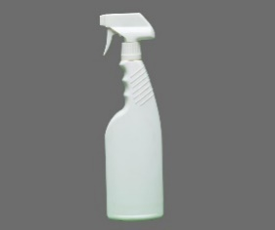 | KR: We suggest 'Spray bottle [packing]' by analogy with 28-06 'Spraying apparatus for hairdressers' (104341). IB: In order to justify classification in 09-01, the IB suggests "Spray bottles [packaging]". ES: We suggest to reword it to 'Spray bottle [packing]' | We would modify it to"Spray bottles [packaging]".
A | IB-16-12 | 9 | 02 | 101531 | Barrels, casks, drums [containers] / Barrels, drums, casks [containers] | Change | Barrels [containers] / Casks [containers] / Drums [containers] | Fûts | Changer | Fûts / Barriques / Tonneaux / Futailles |  |  | Indications 101531, 101526 and 101533 all refer to casks and barrels and rather than trying to distinguish using size, it may be better to have only one indication in LOC.
A | IB-16-13 | 9 | 02 | 101526 | Casks, large barrels | Delete |  | Barriques | Supprimer
A | IB-16-14 | 9 | 02 | 101533 | Tuns / Casks | Delete |  | Tonneaux / Futailles | Supprimer
A | IB-16-15 | 9 | 02 | 101525 | Kegs [small barrels] / Small barrels [kegs] | Change | Kegs | Barils | Changer | Barils / Tonnelets |  |  | Indications 101525 and 101534 refer to smaller casks and barrels and rather than trying to distinguish using size, it may be better to have only one indication in LOC.
A | IB-16-16 | 9 | 02 | 101534 | Small casks, kegs | Delete |  | Tonnelets | Supprimer
A | IB-16-17 | 9 | 03 | 101563 | Packaging for foodstuffs | Delete |  | Emballages pour produits alimentaires | Supprimer |  |  |  | This entry is causing confusion for users as "packaging / emballages" is a broad term that could also encompass goods in 09-01 (e.g. bottles) and 09-05 (e.g. bags, sachets, tubes)..
R | SA-16-49 | 9 | 03 |  |  | Add | Portable containers |  | Ajouter | Conteneurs portables |  |  | 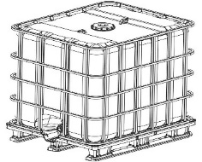 | CN: Please could you provide us with more information about these goods. The word container covers a wide range. IB: Please could you provide more information about these goods, as it is not clear what the image is meant to portray. Are they some sort of packaging container? ES: We think the term is too wague as in general, containers are portable. A more specific term would be better, eg. industrial portable container | This good relates to a reusable, multi-use mobile container, used to transport and store liquid or solid items.
R | SA-16-46 | 9 | 05 |  |  | Add | Drawstring pouches |  | Ajouter | Pochettes avec cordon de serrage |  |  | 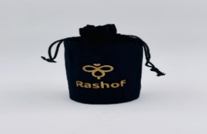 | CN: we would prefer to classify these goods in 03-01. IB: Pouches that are used as packaging belong to 09-05 by analogy with: 101593 Pouches [packaging] // Pochettes [emballages] If used for other purposes, a pouch may belong to 03-01. ES: We would classify it in 03.01 | This pouch is used for packaging. We would modify it to 09-05.
A | DE-16-15 | 9 | 05 | 101580 | Capsules for pharmaceutical products | Change | Empty pharmaceutical capsules [packaging] | Capsules pour produits pharmaceutiques | Changer | Capsules vides pour produits pharmaceutiques [emballages] |  |  | The term is a duplication to ID_104281 Capsules, pharmaceutical / Capsules pharmaceutiques (Cl. 28-01) and should be deleted. In our opinion, Class 28-01 is the correct choice for this product group, as the capsules are usually suitable for consumption and are taken by the patient in therapeutic use with capsule shell. The character of the capsule is thus not limited to packaging for transport or handling of goods as envisaged in class 09. Image for ID 104281 Cl. 28-01 Capsules, pharmaceutical Image source: Global design database 008771117-0001 | CN: "Capsules for pharmaceutical products" are the packaging of pharmaceutical products, which are different from pharmaceutical products themselves. IB: We note that both "Capsules for pharmaceutical products" (ID 101580) in 09-05 and "Capsules, pharmaceutical" (ID 104281) in 28-01 ("Pharmaceutical capsules" from LOC1 to LOC3) have been in the Locarno Classification since Edition 1 in 1972. Note b of 09-05 states that "Capsules" means those used for packaging. There is also a second indication in 09-05 for 101579 "Capsules [casings] // Capsules [enveloppes]". Perhaps the reason for adding both entries at the same time was to make a distinction between "empty" pharmaceutical capsules used for packaging in Class 9 and those that are already filled with pharmaceuticals (and are thus "part" of the finished pharmaceutical product) in Class 28. | With respect to the comments and to clarify the scope of the existing entries we modify our proposal from delete to change: ID 101580 "Capsules for pharmaceutical products" change to "Empty pharmaceutical capsules [packaging]".
A | KR-16-5 | 9 | 05 |  |  | Add | Mascara tubes [packaging] |  | Ajouter | Tubes de mascara [emballages] |  |  | By analogy with 09-05 Lipstick tubes [packaging containers] (105135). To confirm that Mascara should be classified according to its contents; for example, it is classified in Cl. 28 when containing cosmetics and Cl. 9 when the packaging is empty. | ES: Not sure about best classification place for Mascara IB: These goods are more commonly known as mascara TUBES. Therefore, we would classify "Mascara tubes [packaging]" in 09-05. | KR: We will modify our proposal to 'Mascara tubes [packaging]' in 09-05.
A | IB-16-18 | 10 | 04 | Note(s) | a. Including instruments, apparatus and devices for measuring temperature, pressure, weight, length, volume and electricity. b. Not including exposure meters (Cl. 16-05). | Change | a. Including instruments, apparatus and devices for measuring temperature, pressure, weight, length, volume and electricity. b. Not including exposure meters (Cl. 16-05). c. Not including specialized medical measuring instruments (Cl. 24-02). | a. Y compris les instruments, appareils et dispositifs pour la mesure des températures, des pressions, des poids, des longueurs, des volumes, des grandeurs électriques. b. Non compris les posemètres (cl. 16-05). | Changer | a. Y compris les instruments, appareils et dispositifs pour la mesure des températures, des pressions, des poids, des longueurs, des volumes, des grandeurs électriques. b. Non compris les posemètres (cl. 16-05). c. Non compris les instruments de mesure médicaux spécialisés (cl. 24-02). |  |  | To clarify that certain specialized measuring instruments are classified in 24-02, for example: 103888 Blood pressure measuring apparatus // Appareils pour mesurer la tension artérielle 103871 Sphygmometers // Sphygmomètres 103877 Urinometers // Uromètres | CN: How about 101757 Thermometer[including medical thermometers]. | IB: We thank CN for their comment. However it doesn't solve the issue for other "medical measuring instruments" such as 103888 and 103871, where there could still be confusion between 10-04 and 24-02. We prefer to maintain this proposal to offer broader guidance for classifying medical measuring instruments.
R | SA-16-29 | 10 | 04 |  |  | Add | Traffic measurement devices |  | Ajouter | Dispositifs de mesure du trafic routier |  |  |  | IB: Please could you provide more information about these goods? ES: Agree | It is a device that measure the speed of the vehicular traffic.
R | FR-16-5 | 10 | 04 |  |  | Add | [Electromagnetic] wWave absorbers [electromagnetic] |  | Ajouter | Absorbeurs d'ondes [électromagnétiques] |  |  | Not sure about the class and subclass… CE: The CE was not sure of the exact nature of this product. | KR: We'd like to have more details about this product. If it blocks electromagnetic waves, we would classify this product in 13-03. CN: Please could you provide us with more information about these goods. We are not sure of what it is. IB: Please could you provide more information about these goods (e.g. images, websites)? // Pourriez-vous fournir plus d'informations sur ces produits (par ex. des images, des sites web)? | French design n° 20221230 Objet ayant une forme variable et dont la fonction est d'absorber les ondes de nature ésotérique ou réelles Object with different appearances. It is supposed to absorb waves of esoteric nature or real ones
A | IB-16-19 | 10 | 05 | Note(s) | Including fire and burglar alarms, and detectors of various types. | Change | a. Including fire and burglar alarms, and detectors of various types. b. Not including specialized medical testing apparatus and equipment (Cl. 24-01). | Y compris les avertisseurs d'incendie ou d'effraction, ainsi que les divers types de détecteurs. | Changer | a. Y compris les avertisseurs d'incendie ou d'effraction, ainsi que les divers types de détecteurs. b. Non compris les appareils et installations d'analyse médicale spécialisés (cl. 24-01). |  |  | To clarify that certain specialized testing instruments are classified in 24-01, for example: 103789 Blood testing apparatus // Appareils pour analyse du sang 103794 Eye testing apparatus and equipment // Appareils et installations pour le contrôle des yeux
A | CN-16-4 | 10 | 05 |  |  | Add | Air quality detectors |  | Ajouter | Moniteurs de qualité de l'air |  |  | Detect and analyze the air composition，display the result.
A | SA-16-70 | 10 | 05 |  |  | Add | Efficiency sensors for fire extinguishers |  | Ajouter | Capteurs d'efficacité des extincteurs |  |  | 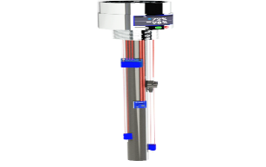 | KR: We'd like to have more details about this item. For example, is it used in combination with a fire extinguisher? CN: We would prefer to classify these goods in 10-05 IB: The IB would classify "Efficiency sensors for fire extinguishers" in 10-05 by analogy with: 101805 Checking apparatus // Appareils contrôleurs ES: Please note that in class 10.05 there is an entry for "Efficiency sensors for fire extinguishers" | This good can be installed on the top of fire extinguisher. The piece contains sensors that measure humidity, temperature and pressure rates. We would modify it to "Efficiency sensors for fire extinguishers", 10-05 We could not find the term in Locarno classification.
A+ | SA-16-9 | 10 | 05 |  |  | Add | Faciale recognition devices |  | Ajouter | Dispositifs de reconnaissance faciale |  |  | 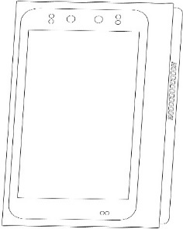 | CN: we would prefer to claasify it in 10-05. IB: In terms of wording, the IB suggests "Facial recognition devices". Moreover, could you please provide more information about the nature of these goods and/or the context of their use? For example, if they are used for access control purposes, then they would be classified in 10-05. ES: There is an existing entry "Biometric sensors". It could be reworded to "Biometric devices" | This device has the functions of access control management. We would like to modify it to 10-05.
A | SA-16-109 | 10 | 05 |  |  | Add | Multi-sensor detectors |  | Ajouter | Détecteurs multicapteurs |  |  |  | ES: We would like to have more context on this | This good contains several sensors to measure the temperature with high efficiency in the work environment and early warning via GSM as well as the WiFi network, also its contains alarm sensors for gases, water leaks, or humidity in the sensitive environment, as well as sensors to monitor movements.
R | MX-16-1 | 10 | 05 |  |  | Add | Sensor housings |  | Ajouter | Boîtiers de capteurs |  |  | this is a specific sensor to vehicles with a design in casing | KR: We are curious about the difference from the divices classified in Cl 10. We'd like to have an additional explanation for this item. CN: We would classify sensors in 10-05. IB: This proposal seems to relate to two separate goods. "Vehicle sensors" would be classified in 10-05 as "checking" or "detection" apparatus. Whereas the "casing" or "housing" to cover such sensors could belong in 12-16. | Class 10-05 only define sensor-driven baby rocking devices, this proposal are for sensors installed in vehicle. According with IB comments, we divided into two proposals, "Sensor housing" in 10-05 as a "detection" apparatus and "Vehicle sensor [monitoring function]" in 12-16 to cover sensors installed in vehicle.
A | KR-16-6 | 10 | 06 |  |  | Add | Emergency exit signs |  | Ajouter | Panneaux de sortie de secours |  |  | Apparatus that guide the emergency exit, including lighting functions. | CN: To be considered with proposal NO-16-12. IB: See also proposal NO-16-12 for "Emergency signs" and proposal NO-16-13 for "Emergency lamps", both in 10-06.
W | NO-16-12 | 10 | 06 |  |  | Add | Emergency signs |  | Ajouter | Signalisation de secours |  |  |  | CN: See also the proposal KR -16-06 IB: See also proposal KR-16- 6 for "Emergency exit signs" in 10-06. | We would like to keep our proposal as it is.
W | NO-16-13 | 10 | 06 |  |  | Add | LuminousLight-emitting emergency signs |  | Ajouter | Signalisation de secours lumineuse |  |  | 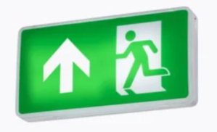 | CN: See 105026 Emergency lights［except portable lamps］ in 26-03 IB: The image provided seems to be of an illuminated emergency sign, not an emergency lamp. | We would like to modify our proposal to "Ligth emitting emergency signs".
A | ES-16-11 | 11 | 01 |  |  | Add | Beads for jewellery |  | Ajouter | Perles pour bijoux |  |  | We could find many different concepts related to Jewellery as 105054 "Jewellery clasps" but not this one. | IB: In terms of wording, the IB suggests "Beads for jewellery" as that is the spelling used in LOC. Note that 101925 "Pearls / Perles" is an existing entry in 11-01. | We agree in "Beads for jewellery"
A+ | SA-16-60 | 11 | 01 |  |  | Add | Jewellery components |  | Ajouter | Éléments de bijouterie |  |  |  | IB: The IB finds this term too broad and is not sure what goods the image is meant to portray. Please could you provide more information about the nature of the goods you are proposing? ES: We would like to have more context about it. We found the term too broad. | This good is used in the making of jewelry such as clasps, pins, and hooks.
A | FR-16-6 | 11 | 01 | 101926 | Gems / Precious stones | Change | Precious or semi-precious stones | Pierres précieuses | Changer | Pierres précieuses ou semi-précieuses |  |  |  | IB: For the EN term, we suggest "Precious or semi-precious stones" (delete the synonym "gemstones"). // Pour le terme EN, nous suggérons "Precious or semi-precious stones" (supprimer le synonyme "gemstones"). | ok
A | KR-16-7 | 11 | 01 |  |  | Add | Smart rings |  | Ajouter | Bagues intelligentes |  |  | A smart ring is a wearable electronic device loaded with mobile components like sensors and NFC chips that are used for a variety of applications, mostly tracking daily activities and as a peripheral tool to support mobile devices. This makes smart rings a nifty alternative to smartwatches and fitness bands. | IB: In line with the usual practice to classify smart objects in the same class as their traditional equivalent, we agree that "Smart rings" can be classified in 11-01.
A | IB-16-20 | 11 | 02 | 101967 | Magnets |  |  | Magnets | Changer | Aimants |  |  | Aimants is more commonly used in FR. This change would also harmonize with: 101476 Permanent magnets // Aimants permanents (08-99) 101965 Magnets for magnetic boards // Aimants pour tableaux magnétiques (11-02)
A | SA-16-86 | 11 | 02 |  |  | Add | Plant stands with wheels |  | Ajouter | Supports à roulettes pour pots de fleurs |  |  | 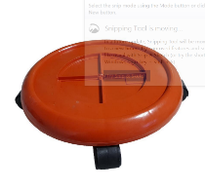 | KR : We suggest 'Flowerpot stands with wheels'. And, we would not classify these goods in 09-03. Perhaps 11-02 is more appropriate. CN: We would classify these goods in 11-02 by analogy with 101958 Flowerpots. IB: The image seems to show a "Plant stand with wheels", also known as a "Plant caddy with wheels" that is used to easily move plants around the garden or indoors. They may be analogous to 102027 "Dollies [wheeled platforms] / Socles roulants" in 12-02. ES: Please note that in class 11.02 theres is an entry with "Flowerpots" therefore with find class 11.02 more appropiate. | We would like to modify it to "Plant stand with wheels", 11-02.
A | IB-16-4 | 6 | 03 | 100562 | Serving trolleys | Change | Serving trolleys [furniture] | Dessertes [tables roulantes] |  |  |  |  | 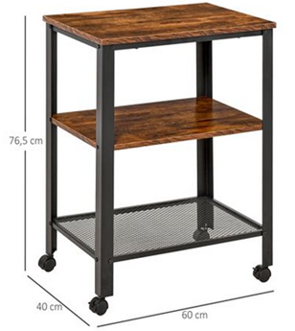 We would like to clarify the difference between these goods and 102012 "Dinner waggons [carriages] // Buffets roulants [chariots]" in 12-02. Is it really necessary to have two entries in different classes? Desserte: Meuble de salle à manger sur lequel on pose la vaisselle et les plats (Larousse) | CN: We suggest transfering to 12-02 by analogy with 102025 Trolleys for medical care. | IB: We thank CN for their comment. But the question remains, does the CE see these goods as "furniture" in Class 6 or as "transport" items in Class 12? We look forward to discussing these proposals at CEL16.
A | IB-16-5 | 12 | 02 | 102012 | Dinner waggons [carriages] | Delete |  | Buffets roulants [chariots] | Supprimer |  |  |  | 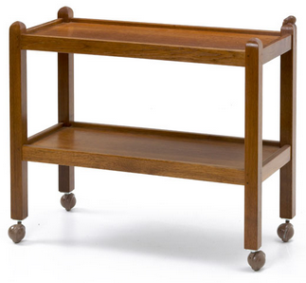 Dinner wagon: a small wheeled table with shelves that is used for the service of a dining room (M-W) | CN: We don't think it is necessary. | IB: We are not clear what the CN comment means - is it not necessary to keep ID 102012 or not necessary to delete it? In any case, we look forward to discussing these proposals at CEL16.
A | IB-16-6 | 12 | 02 |  |  | Add | Food carts |  | Ajouter | Chariots de nourriture |  |  | 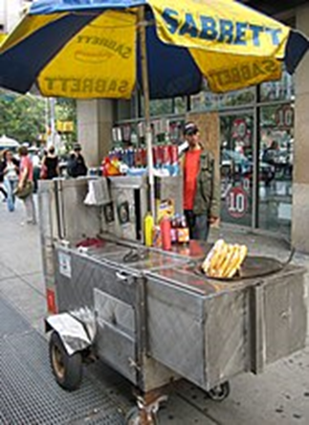 Food carts (e.g. hot dog carts) are mobile kitchens that travel under their own power (Wikipedia) | CN: We believe that the goods shown in the picture belongs to 102222 Kitchen[mobile] in 12-13. | IB: We thank CN for their comment. We understand the confusion, however "carts / chariots" refer to "handcarts / chariots à main" in Cl.12-02. We wonder what other Member States understand by 102222 "Kitchens [mobile] / Cuisines roulantes" in 12-13? Are these "motorized vehicles" or "handcarts" or both? We also note ID 102231 in 12-13 - the FR term "Camions pour la vente de produits" clearly refers to a motorized vehicle, perhaps the corresponding EN term "Mobile shops" needs to be amended to make that clearer?
A | IB-16-21 | 12 | 02 | 102013 | Golf carts | Change | Golf bag trolleys / Golf bag carts | Charrettes de golf | Changer | Chariots pour sacs de golf |  |  | 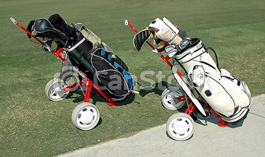 These goods refer to trolleys/carts that are used to transport golf bags as opposed to being "golf carts" that are vehicles that transport golfers (as well as their golf bags).
A | IB-16-22 | 12 | 13 | 102232 | Golf buggies | Change & Transfer | Golf carts / Golf cars / Golf buggies | Voiturettes de golf | Changer & transférer | Voiturettes de golf / Voitures de golf / Golfettes | 12 | 08 | 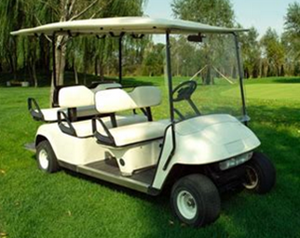 Note a of 12-13 states "Including only vehicles not specifically intended for transport". These goods are used for transport and are therefore better suited to 12-08.
A | DE-16-16 | 12 | 02 |  |  | Add | Library carts / Book trolleys |  | Ajouter | Chariots de bibliothèque / Chariots à livres |  |  | 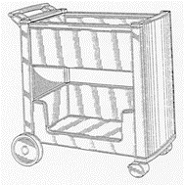 In order to clarity the class for this type of products, it seems helpful to add that term. The classes to be considered are 06-03, 06-04 and 12-02. We prefer class 12-02, as in our view similar product groups are already classified there, e.g. "Hand trolleys for transporting guidance barriers" or "Trolleys for medical care". Image source: Global design database DM/031 640 | IB: We also prefer 12-02 by analogy with 102025 "Trolleys for medical care / Chariots pour soins médicaux".
A | DE-16-17 | 12 | 02 |  |  | Add | Trolleys with shelves |  | Ajouter | Chariots à étagères |  |  | 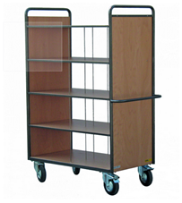 Proposed for products which are used for transport and not for storageing or to furnish. Image source: https://www.eichmueller.com/Etagenwagen-mit-5-Etagen/41085 | ES: Not sure if that proposal is already covered by 102016 Hand trolleys for handling goods IB: We agree with 12-02 but, in terms of wording, we suggest "Trolleys with shelves". | Following the IB comment we modify our proposal to "Trolleys with shelves".
A | SA-16-85 | 12 | 03 |  |  | Add | Maglev train carriages |  | Ajouter | Trains à sustentation magnétique |  |  | 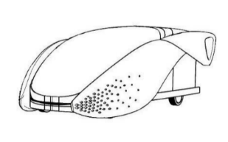 | IB: Maglev (from "Magnetic levitation") is a type of train transportation using magnets that lift and propel trains along a guided track. We would therefore suggest "Maglev train carriages" in 12-03. ES: We propose "Maglev vehicles" | We would like to modify it to "Maglev train carriages", 12-03.
A | SA-16-115 | 12 | 05 |  |  | Add | Floor conveyors |  | Ajouter | Convoyeurs au sol |  |  |  | IB: Please could you provide more information about these goods as their nature is not clear from the image provided? Note that there is an existing entry in 12-05 for: 102079 Conveyors [machines] // Transporteurs ES: Please not that in class 12.05 there is an already existing term "Floor conveyors" | This good is placed on the ground to place heavy objects on them to facilitate their movement and transportation. They are of high hardness to carry heavy objects, light in weight, and easy to carry and store. We could not find the term in Locarno classification.
A | IB-16-89 | 12 | 05 | 102091 | Lifting devices for invalids | Change | Lifting devices for persons with disabilities | Dispositifs élévateurs pour invalides | Changer | Dispositifs élévateurs pour personnes handicapées |  |  | 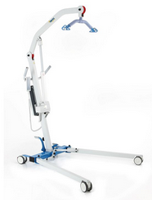
A | IB-16-26 | 12 | 07 |  |  | Add | Delivery drones |  | Ajouter | Drones de livraison |  |  | 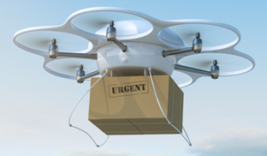 By analogy with 104759 "Drones [aircraft] // Drones [aéronefs]" (12-07).
A | CN-16-5 | 12 | 07 |  |  | Add | Jet packs |  | Ajouter | Réacteurs dorsaux |  |  | By analogy with 104869 Flying boards in 12-07. | IB: In terms of wording, the IB suggests "Jet packs". | CN: Following the comment from IB, we have modified our proposal to "Jet packs".(instead of "Jetpack")
A | IB-16-23 | 12 | 07 | 102141 | Stabilizers [aircraft] | Change | Stabilizers for aircraft | Stabilisateurs [aviation] |  |  |  |  | To harmonize the format with 102143 "Rudders for aircraft // Gouvernails [aviation]" (also in 12-07).
A | IB-16-24 | 12 | 08 |  |  | Add | Autonomous cars |  | Ajouter | Voitures autonomes |  |  | 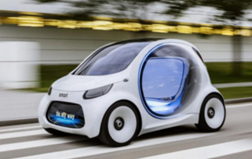 By analogy with 102146 "Automobiles / Motor cars // Automobiles" (12-08)
A | SA-16-45 | 12 | 11 |  |  | Add | Electric bicycles |  | Ajouter | Bicyclettes électriques |  |  |  | IB: The IB agrees that these goods can be classified in 12-11 by analogy with: 102169 Bicycles // Bicyclettes ES: Agree
A | IB-16-90 | 12 | 12 | Subclass Heading / Intitulé de sous-classe | PERAMBULATORS, INVALID CHAIRS, STRETCHERS | Change | PERAMBULATORS, WHEELCHAIRS, STRETCHERS | VOITURES D'ENFANT, FAUTEUILS ROULANTS POUR INFIRMES, BRANCARDS | Changer | VOITURES D'ENFANT, FAUTEUILS ROULANTS, BRANCARDS
A | IB-16-90 | 12 | 12 | Note(s) | a. "Perambulators" means hand carriages for infants. b. Not including toy perambulators (Cl. 21-01). | Change | a. "Perambulators" means hand-pushed carriages for carrying babies. b. Not including toy perambulators or strollers (Cl. 21-01). | a. Par "voitures d'enfant", on entend les voitures dans lesquelles on met un enfant. b. Non compris les voitures d'enfant s'il s'agit de jouets (cl. 21-01). | Changer | a. Par "voitures d'enfant", on entend les landaus poussés à la main pour transporter les bébés. b. Non compris les voitures d'enfant ou les poussettes s'il s'agit de jouets (cl. 21-01).
A | IB-16-91 | 12 | 12 | 102212 | Perambulators / Baby carriages |  |  | Landaus pour enfants | Changer | Voitures d'enfant / Landaus pour enfants |  |  | 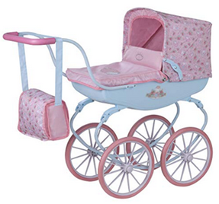 To align with the Subclass Heading.
A | IB-16-92 | 12 | 12 | 102208 | Wheelchairs / Invalid chairs | Change | Wheelchairs | Fauteuils roulants pour infirmes | Changer | Fauteuils roulants / Chaises roulants |  |  | 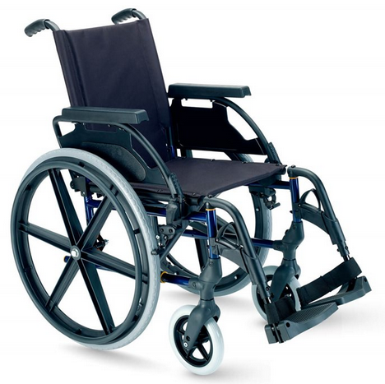
A | IB-16-93 | 12 | 12 | 102215 | Invalid carriages | Delete |  | Voitures d'infirmes | Supprimer |  |  |  | Archaic term
A | SA-16-40 | 12 | 13 |  |  | Add | Mobile workshops |  | Ajouter | Ateliers mobiles [véhicules] |  |  |  | IB: In terms of wording, the IB suggests "Mobile workshops" (in plural). ES: We suggest "Mobile vehicle worshop" | We would like to modify it to "Mobile workshops".
W | IB-16-25 | 12 | 14 |  |  | Add | Autonomous delivery robots |  | Ajouter | Robots autonomes pour la livraison |  |  | The IB would like to clarify the classification of autonomous delivery robots and suggests 12-14 as a possible subclass. | CN: To be considered with proposal SA-16-27 and KR-16-8. we would prefer to classify these goods in 12-05 by analogy with 104758 Transfer robots. | IB: We thank CN for their comment, however we prefer to maintain this proposal in 12-14. We see these goods as "transport vehicles" (12-14) and not as "Elevators and hoists for loading or conveying" in 12-05. The "conveyors" in 12-05 refer to static machines (e.g. 102079, 102072, 102089), whereas these delivery robots are more analogous to vehicles. And 102081 refers to a type of self-propelled forklift for lifting and loading goods.
A | KR-16-8 SA-16-27 | 12 | 14 |  |  | Add | Delivery robots |  | Ajouter | Robots de livraison |  |  | KR: Autonomous robots for indoor and outdoor delivery. SA: | CN: To be considered with proposal IB-16-25 and SA-16-27. we would prefer to classify these goods in 12-05 by analogy with 104758 Transfer robots. IB: See also proposal SA-16-27, as well as proposal IB-16-25 for "Autonomous delivery robots // Robots autonomes pour la livraison" in 12-14. The IB prefers 12-14 for delivery robots as the key function of 12-05 is "lifting, loading or conveying loads", whereas delivery robots are used for transport. CN: To be considered with proposal IB-16-25 and KR-16-8. we would prefer to classify these goods in 12-05 by analogy with 104758 Transfer robots. IB: See also proposal KR-16-8 in 12-05, as well as, IB-16-25 for "Autonomous delivery robots // Robots autonomes pour la livraison" in 12-14. The IB prefers 12-14 for delivery robots we see them as being a type of vehicle that transports items from A to B, rather than a machine in Cl. 15. ES: We think class 12 would fit better. | KR: Thank you for the comments. We will modify our proposal to 12-14. However, referring to the image below, we wonder if these autonomous robots should be considered to be in 12-14, because they are only for transport. SA: We would like to modify it to 12-14.
A | KR-16-9 | 12 | 14 |  |  | Add | Serving robots |  | Ajouter | Robots-serveurs |  |  | Robots serving food in restaurnts, etc. | IB: As these goods do not have the lifting and handling functions of 12-05, the IB would classify serving robots in 12-14 | KR: We will modify our proposal to 12-14.
A | FR-16-7 | 12 | 14 |  |  | Add | Land yachts |  | Ajouter | Chars à voile |  |  | Dans la même sous-classe que le traineau à voile In the same subclass as ice boats | IB: We prefer "Land yachts" for the EN. // Nous préférons "Land yachts" en EN. Pour le FR: Chars à voile (en pluriel). | ok
A | KR-16-11 | 12 | 16 |  |  | Add | Headlight bezels for vehicles |  | Ajouter | Enjoliveurs de phares pour véhicules |  |  | This is a vechicle exterior component. | IB: The "bezel" is the decorative trim that is placed between the reflector and housing of the vehicle headlight. We agree with 12-16 by analogy with 102269 Decorative fittings for vehicles / Garnitures décoratives pour véhicules.
A+ | SA-16-74 | 12 | 16 |  |  | Add | Mouldings for vehicle radiator grilles / Moldings for vehicle radiator grilles |  | Ajouter | Enjoliveurs pour calandres de véhicules |  |  |  | CN: We would prefer to classify these goods in 08-05. IB: In terms of wording, the IB suggests "Mouldings for radiator grilles / Moldings for radiator grilles" for consistency with: 102263 Radiator grilles for vehicles // Calandres de véhicules ES: Please note that in class 12.16 there is already an entry for "Radiator grilles for vehicles" | We prefer to keep the class as it is. We would like to modify it to "Mouldings for radiator grilles / Moldings for radiator grilles". We believe that the two goods is different.
A+ | SA-16-63 | 12 | 16 |  |  | Add | Radar covershousings for vehicles |  | Ajouter | Coques de radars pour véhicules |  |  |  | CN: We would prefer to classify these goods in 10-07. IB: The IB finds this term too broad and is not sure what goods the image is meant to portray. Please could you provide more information about the nature of the goods you are proposing? ES: We would like to have more context about it. We found the term too broad. | We think 12-16 is more suitable than 10-07, because this good is part of a vehicle. It is radar cover is used in vehicle. We would like to modify it to "Radar Covers for vehicle".
A | IB-16-27 | 12 | 16 | 102308 | Tractor cabins | Transfer |  | Cabines de tracteurs | Transférer |  | 12 | 09 | To be in the same subclass as 102163 "Tractors // Tracteurs". | ES: We think that in class 12.16 It is clear because it is a part of the vehicle and vehicle cabins are also included.Cabins for vehicles102323 | IB: We thank ES for their comment. We maintain our proposal and look forward to hearing the opinions of other Member States at CEL16.
A+ | SA-16-116 | 12 | 16 |  |  | Add | Truck bed racks |  | Ajouter | Galeries pour benne de camionnettepick-up |  |  |  | ES: agree
A | MX-16-2 | 12 | 16 |  |  | Add | Vehicle sensors [monitoring function] |  | Ajouter | Capteurs de véhicules [fonction de surveillance]
A | NO-16-4 | 13 | 01 |  |  | Add | Wave energy power generators |  | Ajouter | Générateurs d'énergie houlomotrice |  |  |  | IB: The IB agrees that these goods belong to 13-01 but would prefer the wording "Wave-powered electricity generators" or "Wave energy power generators". | We modify this proposal to "Wave energy power generators".
A | ES-16-12 | 13 | 02 |  |  | Add | Charging stations for electric bicycles |  | Ajouter | Bornes de recharge pour bicyclettes électriques / Stations de recharge pour bicyclettes électriques |  |  | We propose this new entry because we could only find a more generic term "Charging stations for electric vehicles" | DE: In our opinion bicycles are also vehicles, so the existing entry 104984 "Charging stations for electric vehicles" (class 13-02) might be sufficient. CN: We would classify these goods in 13-03. IB: For consistency with other entries, the IB suggests "Charging stations for electric bicycles // Bornes de recharge pour bicyclettes électriques / Stations de recharge pour bicyclettes électriques" in 13-02. | We think that charging stations for bycicles include specific items for bycicles and are different to the general entry for "Charging stations for electric vehicles". In addition, more and more restaurants, museums and businesses now offer their visitors e-bike charging stations as a special service. We agree in "Charging stations for electric bicycles // Bornes de recharge pour bicyclettes électriques / Stations de recharge pour bicyclettes électriques" in 13- 02.
A | IB-16-28 KR-16-29 | 13 | 02 |  |  | Add | Charging stations for robotic vacuum cleaners |  | Ajouter | Bornes de recharge pour aspirateurs de poussière robotisés / Stations de recharge pour aspirateurs de poussière robotisés |  |  | IB:There is some confusion among users about whether charging stations should be classified with the device they charge or in 13-02 by analogy with 104983 "Charging stations for mobile devices // Bornes de recharge pour appareils mobiles / Stations de recharge pour appareils mobiles". KR: A device that has auto-empty funtions as well as charging. To be sure that the holder with the charging function is classified in Cl. 13, with priority to charging functions
A | KR-16-25 | 28 | 03 | 104297 | Holders for electric razors [including recharging holders] | Change | Holders for electric razors | Supports pour rasoirs électriques [y compris supports de recharge] | Changer | Supports pour rasoirs électriques |  |  | To be sure that the holder with charging functions is classified in Cl. 13. | ES Change to a new class or delete and create new entry? | KR: We think that it is appropriate to be classified in Cl. 28 for holders without a charging function. We maintain this proposal.
A | KR-16-26 | 28 | 03 | 104346 | Holders for electric toothbrushes [including recharging holders] | Change | Holders for electric toothbrushes | Supports pour brosses à dents électriques [y compris supports de recharge] | Changer | Supports pour brosses à dents électriques |  |  | To be sure that the holder with charging functions is classified in Cl. 13. | ES: Change to a new class or delete and create new entry? | KR: We think that it is appropriate to be classified in Cl. 28 for holders without a charging function. We maintain this proposal.
A | KR-16-27 | 13 | 02 |  |  | Add | Charging stations for electric razors |  | Ajouter | Bornes de recharge pour rasoirs électriques |  |  | To be sure that the holder with charging functions is classified in Cl. 13.
A | KR-16-28 | 13 | 02 |  |  | Add | Charging stations for electric toothbrushes |  | Ajouter | Bornes de recharge pour brosses à dents électriques |  |  | To be sure that the holder with charging functions is classified in Cl. 13.
A+ | KR-16-12 | 13 | 03 |  |  | Add | Push button switches [electricity] |  | Ajouter | Interrupteurs à bouton-poussoir |  |  | To cleary distinguish these goods from 08-06 Push buttons (101336). | IB: We do not believe that push button switches are used exclusively for control of electric power so could you provide more information about these goods? | KR: Thank you for the comments. But, we thought push button switches are used for control of electric power. we added this proposal because we think the 'push buttons' in 08-06 only refers to the parts of handles, knobs and hinges especially hardware. Here's what we think about the push button switches. Push button switches are usually used to turn on and off the control electric circuit. These are used in electrical automatic control circuits to manually send control signals to control contactors, relays, electromagnetic starters, etc. We'd like to hear more opinions on this, until then we maintain this proposal.
R | SA-16-108 | 14 | 02 |  |  | Add | Controller plates for combat harnesses |  | Ajouter | Tableaux de commande pour gilets de combat |  |  |  | CN: Please could you provide us with more information about these goods. We are not sure of what it is. IB: Please could you provide more information about these goods and the reason why you have proposed them in 14-02 (Data processing equipment as well as peripheral apparatus and devices)? ES: We would like to have more context on this | This good is data transmission plates that is installed in the special clothing of soldiers in the battles.
A | IB-16-29 | 14 | 02 |  |  | Add | Digital flipcharts |  | Ajouter | Tableaux de conférence numériques |  |  | These goods are large-scale screens similar to 102465 "Touch screens // Écrans tactiles" and 104667 "Tablet computers // Tablettes [informatique]".
A | IB-16-30 | 14 | 02 |  |  | Add | Interactive whiteboards |  | Ajouter | Tableaux blancs interactifs |  |  | An interactive whiteboard (IWB), also known as interactive board or smart board, is a large interactive display board in the form factor of a whiteboard. (Wikipedia) | KR: If this product is considered a smart board, we think 19-06 is suitable when referring to IB Proposal No. 31. And, we are concerned about confusion between Cl. 19 and Cl. 14. CN: According to proposal IB-16-31, the "smart" products in the same class as their non-smart equivalents. Can this item be classified in 19-06 by analogy with 103178 "school blackboards"? | IB: We look forward to discussions and opinions from other Member States at CEL16. If the majority feel that this item is analogous to the "smart" equivalent of a blackboard in 19-06, then we will change the proposed class accordingly.
...

