Proposals
Decision | Prop. No. | Cl. | SubCl./ sous-cl. | ID No. or Place / Nº ID ou endroit | EN Existing entry | EN Action | EN New or modified entry | FR Entrée existante | FR Action | FR Nouvelle entrée ou entrée modifiée | New Cl. / Nlle cl. | New Subcl. / Nlle sous-cl. | Remarks / Remarques | Comments from Offices / Commentaires des Offices | Response to comments / Réponse aux commentaires
A | DE-15-1 | 1 | 02 |  |  | Add | Preformed vegetable products |  | Ajouter | Produits façonnés à base de légumes façonnés |  |  | Preformed vegetable products could include for example french fries, potato donuts, vegetable croquettes [005803863-0001] [001680224-0001] [008480453-0001]
A | MX-15-1 | 1 | 01 |  |  | Add | Shaped Marshmallows |  | Ajouter | Guimauves façonnés |  |  | 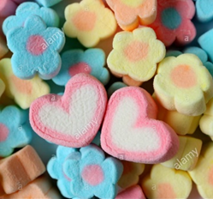 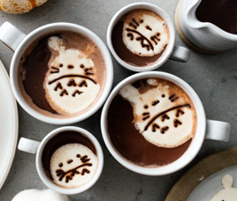 This product is proposed because is specific with new designs | IB: We would classify these goods in 01-01 by analogy with 100007 "Confectionery // Produits de confiserie". CN： We would classify these goods in 01-01.
A | DE-15-2 | 1 | 04 |  |  | Add | Preformed meat and fish products |  | Ajouter | Produits façonnés à base de viande et/ou de poisson façonnés |  |  | 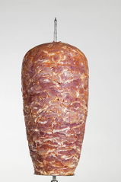 [002470641-0001] [008581888-0001] [202030301080.0] [http://www.polat-doener.com/media/doenerspiesse/doener-aus-haenchen-und-pute-polat.jpg]
A | DE-15-2b | 1 | 04 |  |  | Add | Preformed fish products |  | Ajouter | Produits façonnés à base de poisson
A | DE-15-3 | 1 | 99 |  |  | Add | Prepared meals |  | Ajouter | Repas préparés |  |  | 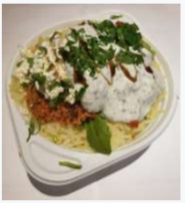 [402020100901-0003] [052161 - 001] [https://marleyspoon.com] [D0533125] | IB: Is the design in the shape of the food (Cl.1) or the packaging (Cl. 9) or the arrangement of the food inside the packaging (Cl.32)? | 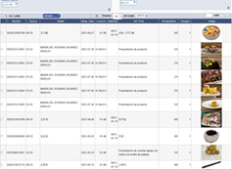 DE: The design is mainly the arrangement of the food (including the shape of the ingredients). We are not infavour to put it in class 32, because we think cl. 1 is the specific class for foods or meals. See also the research results for cl. 01-99 in the Global design database.
W | DE-15-4 | 1 | 99 |  |  | Add | Meal kits |  | Ajouter | Repas prêts-à-cuisiner |  |  | Preportioned ingredients for a chosen receipe [https://marleyspoon.com] [https://www.hellofresh.com] | IB: Can you please clarify where the design aspect is for these products? | DE: This product is a set/assembly consisting of a packaging and transport box, recipe card and the exact cooking ingredients for a meal.
A | CN-15-48 | 2 | 02 |  |  | Add | Protective clothing for medical purposes |  | Ajouter | Vêtements de protection à usage médical |  |  |  | IB: In EN, coveralls and gowns are different goods and should not be considered synonyms in one entry. For the goods pictured, we would use the term "disposable protective suits". As an alternative, a more generic wording of "protective clothing for medical purposes" may be acceptable in 02-02. | 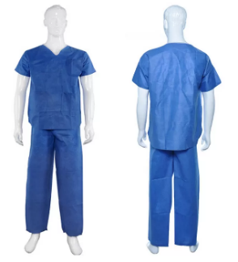 CN: Following the comments from IB, we have modified our proposal to "protective clothing for medical purposes". (Initial wording: Disposable coveralls / Protective gowns)
A | FR-15-1 | 2 | 99 |  |  | Add | Multifunctional Convertible clothing |  | Ajouter | Vêtements transformables multifonctions |  |  | We propose this new entry because it's difficult to choose a product indication for these clothes.They can change their shape in several different products, for example : a dress, a skirt, a cardigan, a scarf, etc. Nous proposons cette nouvelle entrée car il est difficile de choisir une désignation à ces vêtements qui peuvent se transformer en plusieurs vêtements différents. Par exemple : en robe, en gilet, en jupe, en écharpe, etc.
A | FR-15-2 | 2 | 03 |  |  | Add | Balaclavas |  | Ajouter | Cagoules |  |  | 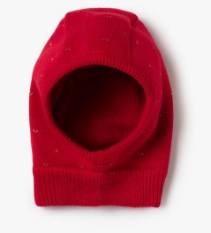
A | CN-15-49 | 2 | 06 |  |  | Add | Oven mitts gloves |  | Ajouter | Gants de cuisine |  |  |  | FR We classify these items in class 06. 13 by analogy with "Pot holders"/"Maniques" ID 100769. These two items are frequently associated by applicants in their files and we prefer not to separate them in two different classes. FR Nous classons ces produits en classe 06.13 par analogie avec les "Maniques" / "Pot holders" ID 100769. Ces deux produits sont fréquemment associés par les déposants dans leurs dépôts et nous préférons ne pas les séparer dans deux classes différentes. | CN: We thank FR for their comments. We think pot holders and oven mitts are different goods. Pot holders are holders used to support the pot and usually do not move. Oven mitts are insulated gloves or mittens usually worn in the kitchen to easily protect the wearer’s hand from hot objects such as ovens, stoves, cookware, etc. We prefer to maintain our proposal as submitted.
A | DE-15-5 | 2 | 07 |  |  | Add | Tracing wheels |  | Ajouter | Roulettes à tracer |  |  | [DM/083 292] This is an instrument to transfer markings from sewing patterns onto fabrics. (https://en.wikipedia.org/wiki/Tracing_wheel)
A | DE-15-6 | 2 | 07 |  |  | Add | Magnetic clasps [haberdashery] |  | Ajouter | Attaches Fermoirs magnétiques [mercerie] |  |  | 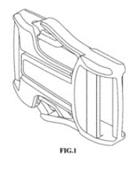 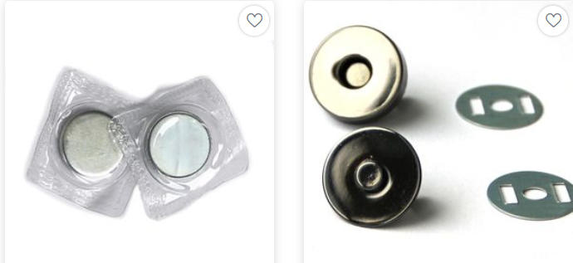 It is another kind of clasp and a special type of - ID 100229 Buckles [haberdashery] - ID 100230 Buttons [Haberdashery] [https://www.snaply.de/verschluesse-schnallen/magnetverschluesse/] [D845168 - Magnet buckle] | IB: We suggest "Magnetic clasps [haberdashery]". | DE: We follow the IB comment and modified the proposed term into "Magnetic clasps [haberdashery]". (Initial wording: Magnet clasps [haberdashery])
A | DE-15-7 | 11 | 01 |  |  | Add | Jewellery clasps [including magnetic] |  | Ajouter | Fermoirs pour la bijouterie [y compris magnétiques] |  |  | [006690970-0002] | IB: We suggest "Jewellery clasps [including magnetic]". | DE: We follow the IB comment and modified the proposed term into "Jewellery clasps [including magnetic]". (initial wording: Jewellery clasps [also magnetical])
A | DE-15-8 | 2 | 07 | 100270 | Frames for darning or embroidery / Frames for embroidery or darning | Change | Frames for needlework | Tambours à repriser ou à broder / Tambours à repriser ou broder | Changer | Tambours pour travaux d'aiguille
A | WO-15-1 | 3 | 01 | 104935 | Lanyards | Change | Neck lanyards | Tours de cou [cordons] |  |  |  |  | Lanyard can refer to: (a) a piece of rope or line for fastening something in a ship; (b) a cord or strap to hold something and usually worn around the neck; (c) a strong cord with a hook at one end used in firing cannons. (M-W) The IB therefore suggests that reverting to the original proposal made by France at CE14 (i.e. "neck lanyards" in EN) would avoid confusion. (FR term unchanged / Terme FR inchangé)
A | WO-15-2 | 3 | 01 | 100354 | Cases for lenses | Change | Cases for contact lenses | Étuis pour lentilles | Changer | Étuis pour lentilles de contact |  |  | See also / Voir aussi : 16-06 Contact lenses / Lentilles de contact (104791)
A | WO-15-3 | 3 | 01 | 100364 | Shoulder straps for rucksacks | Change | Shoulder straps for backpacks / Shoulder straps for rucksacks | Sangles pour sacs à dos / Bandoulières pour sacs à dos |  |  |  |  | To harmonize with 03-01 Backpacks / Rucksacks // Sacs à dos (100311) (FR term unchanged / Terme FR inchangé)
A | WO-15-4 | 3 | 01 | 100365 | Rucksack frames | Change | Backpack frames / Rucksack frames | Armatures pour sacs à dos |  |  |  |  | To harmonize with 03-01 Backpacks / Rucksacks // Sacs à dos (100311) (FR term unchanged / Terme FR inchangé)
A | JP-15-1 | 3 | 01 |  |  | Add | Cases for face masks |  | Ajouter | Étuis pour masques |  |  | 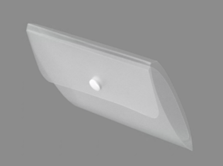 | IB: We suggest "Cases for face masks". | JP: We agree with the IB comments. We revise our proposal to "Cases for face masks". (Initial wording: Mask case)
A | DE-15-9 | 3 | 01 |  |  | Add | Protective covers for parasols |  | Ajouter | Housses de protection pour parasols |  |  | [amazon.de/4smile shop] | 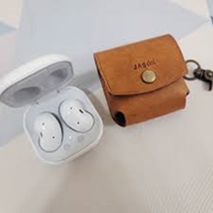
A | DE-15-10 | 3 | 01 | 100359 | Umbrella sheaths | Delete |  | Étuis à parapluie | Supprimer |  |  |  | It is a double to - ID 100348 Umbrella covers / Fourreaux de parapluies
A | DE-15-11 | 3 | 01 |  |  | Add | Bags for carrying animal snacks |  | Ajouter | Sacs pour le transport d'en cas à friandises pour animaux |  |  | 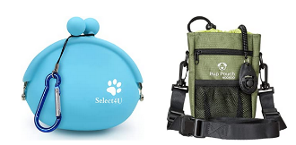 This product is carried by the pet owner. | IB: We suggest "Bags for carrying animal snacks". | DE: We follow the IB comment and modified the proposed term into "Bags for carrying animal snacks". (Initial wording: Snack bags for animal walking)
A | FR-15-3 | 3 | 01 |  |  | Add | Clutch bags |  | Ajouter | Pochettes [maroquinerie] |  |  | 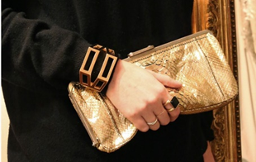 Handbag without handles, some will feature a strap. Sac à main sans poignées qui peut avoir une bandoulière ou une lanière.
A | WO-15-5 | 5 | 05 | 100480 | Insulating fabrics |  |  | Tissus isolants / Isolants [tissus] | Changer | Tissus isolants |  |  | The first FR term is more clear / Le premier terme FR est plus clair (EN term unchanged / Terme EN inchangé)
A | WO-15-6 | 6 | 01 | 100521 | Elbow rests for vehicle seats | Change | Armrests for vehicle seats | Accoudoirs pour sièges de véhicules |  |  |  |  | 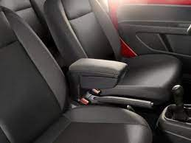 These goods are more commonly knows as armrests in EN. (FR term unchanged / Terme FR inchangé) | CN: Armrest is the part of a chair that is designed to support the arm. Should it belongs to furniture parts in 06-06? | IB: Proposals CN-14-4 and KR-14-22 to transfer this indication from 06-01 to 06-06 were rejected by the CE at CEL14, therefore we maintain this proposal as just a change in wording.
W | WO-15-8 | 6 | 01 |  |  | Add | Medical examination tables |  | Ajouter | Tables d'examen médical |  |  | To confirm that these goods are considered to be furniture rather than medical apparatus / Pour confirmer que ces produits sont considérées comme des meubles et non comme des appareils médicaux By analogy with / Par analogie avec: 100528 Dentists' armchairs // Fauteuils de dentiste (06-01 SEATS / SIÈGES) CE: The CE was not in favor of accepting the word "table" in Cl. 06-01. | KR: These goods are called 'table', but these have padded surface which people can lie on or lean on. So we would classify these goods in 06-01. DE: We have a problem with the german translation here. In German the right term would be called "Behandlungsliegen" or"Therapieliegen" / couches and not tables , because you lay on it. "Behandlungsliegen" can only be classifed in 06-01. | IB: We acknowledge the comments we have received and will therefore change the class of this proposal to 06-01. (Initial proposal in 06-03)
W | WO-15-9 | 6 | 01 | 100519 | Couches for massage | Change | Massage tables | Sièges longs de massage | Changer | Tables de massage |  |  | 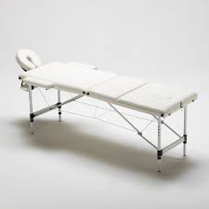 More commonly used term / Terme plus couramment utilisé | KR: These goods are called 'table', but these have padded surface which people can lie on or lean on. So we would keep these goods in 06-01. DE: We have a problem with the german translation here. In German the right term would be called "Massageliegen" / "massage couches", because you lay on it. "Massageliegen" can only be classifed in 06-01. | IB: We acknowledge the comments we have received and will therefore modify this proposal to change the wording only. (Instead of a change & transfer)
A | WO-15-10 | 6 | 01 | 104712 | Massage chairs |  |  | Fauteuils pour massage | Changer | Chaises de massage |  |  | 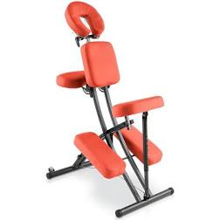 More commonly used term / Terme plus couramment utilisé (EN term unchanged / Terme EN inchangé)
A | WO-15-11 | 6 | 13 | 100774 | Head protection towels for massage couches | Change | Head protection towels for massage tables | Serviettes protège-tête pour tables de massage |  |  |  |  | Consistency with proposal above for 100519 (FR term unchanged / Terme FR inchangé) | DE: See comment to Prop. IB-8, IB-9 | IB: We maintain this proposal
A | WO-15-7 | 6 | 03 | Note(s) |  | Change | Not including tables for games (Cl. 21-01) or for sports (Cl. 21-02). |  | Changer | Non compris les tables de jeu (cl. 21-01) ou de sport (cl. 21-02). |  |  | Add note to: 06-03 TABLES AND SIMILAR FURNITURE / TABLES ET MEUBLES SEMBLABLES See, for example / Voir par exemple: 21-01 Tables for bridge // Tables de bridge (100566) 21-01 Tables for games // Tables de jeu (100567) 21-02 Table tennis tables // Tables pour tennis de table (100569)
A | SE-15-1 | 6 | 04 |  |  | Add | Storage boxes [not packaging] [furniture] |  | Ajouter | Boîtes de rangement [pas pour l'emballage] [meubles] |  |  | We would like to put forward a proposal to enter the term storage boxes [not packaging] to Class 6.04. Indeed, it is not unusal that applicants want to search protection for particular type of boxes, which, due to their characteristics are more suitable to fit in Class 6.04 than, for instance, the packaging and container boxes for the transport or handling of goods in Class 09. Please see the example of a box below. Today, it is apparent that there are many storage boxes on the market which predominantly are used for interior decoration and not only for packaging of goods (or handling thereof). Therefore, we would like to propose to add the term "storage boxes [not packaging]" in Class 6.04. |  | SE: We prefer to maintain our proposal as submitted.
A | WO-15-12 | 6 | 06 |  |  | Add | Meeting pods [indoor] |  | Ajouter | Cabines de réunion / Boxes de réunion |  |  | 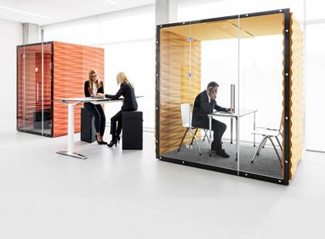 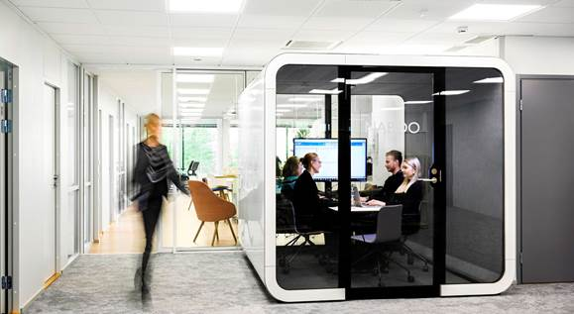 By analogy with / Par analogie avec: 06-06 Booths for teaching / Instruction booths // Cabines pour l'enseignement / Boxes pour l'enseignement (100652) 06-06 Cashiers' booths for shops // Boxes de caisse pour magasins (100656) | FR : We prefer the french words "boxes" or "Cabines" instead of "Modules" (it's too vague), by analogy with class 06-06 "Booths for teaching" / "Instruction booths" // "Cabines pour l'enseignement" / "Boxes pour l'enseignement" (100652) 06-06 Cashiers' booths for shops // Boxes de caisse pour magasins (100656) FR : Nous préférons les termes français "boxes" ou "cabines" au lieu du terme "Modules" (qui est trop vague), par analogie avec les entrées de la classe 06.06 précitées ci-dessus. | IB: We will modify the FR proposal to: Cabines de réunion / Boxes de réunion which is consistent with 100652. (Libellé initial: Modules de réunion)
A | WO-15-13 | 30 | 02 |  |  | Add | Pet gates for interior use |  | Ajouter | Barrières pour animaux de compagnie à usage intérieur |  |  | 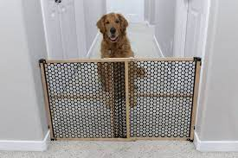 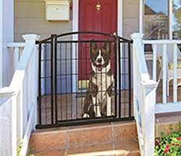 By analogy with / Par analogie avec: 06-06 Safety gates for babies / Barrières de sécurité pour bébés (100668) DE comments: IB response: CE: The CE considered that these goods were propoer to Cl. 30-02 as they are goods used with animals. | KR: These goods are for 'Care of pets'. What is the difference with articles classified in 30? See also DE Proposal N0.11 for "Snak bags for animal walking". FR : we suggest a shorter product indication : "Safety gates for pets"/"Barrières de sécurité pour animaux de compagnie". We think it's not necessary to indicate that's for an interior use. DE: We are unsure of the class for this term when the term contains the restriction for pets. All products with the purpose of use for, on or with animals were previously classified in class 30, see also ID 104406 "Animal clothing", ID 104609 "furniture for animals", ID 104468 "Beds for animals". It might be sufficient to amend the existing term ID 100668 "Safety gates for babies" and broaden its scope. The term should not be limited to babies or pets but could be called "Safety gates for interior use" and be classified in 06-06. | IB: We chose 06-06 for these goods as they are very similar in appearance to safety gates for babies and we chose to add "for interior use" as there are pet gates for outdoor use which may be classified in 25-02. However, we can discuss the possibility of classifying these goods in 30-02 at the CE. Nous avons choisi 06-06 pour ces produits car ils sont très similaires en apparence aux barrières de sécurité pour bébés et nous avons choisi d'ajouter "à usage intérieur" car il existe des barrières pour animaux de compagnie pour usage extérieur qui peuvent être classées en 25-02. Cependant, nous pouvons discuter de la possibilité de classer ces produits en 30-02 lors du CE.
A | KR-15-5 | 6 | 06 |  |  | Add | Sneeze guards for desks [furniture] |  | Ajouter | Écrans de protection pour bureaux pare-haleine [meubles] |  |  | A screen that prevents the spread of viruses by blocking spittle or droplet from a person's nose or mouth before infecting others. | IB: See NO Proposal No. 3 for "Screens for infection control" and FR Proposal No. 4 for "Table divider screens", both in 06-06. CN: These goods are either on the floor or on the desktop. We suggest changing the entry to"Divider screens" to cover all these goods. See NO Proposal No.3 and FR Proposal No.4. | KR: Thank you for your comment. However, we maintain this proposal to make difference with 100667 "Screens [furniture]" in 06-06.
A | NO-15-3 | 6 | 06 |  |  | Add | Screens for infection control |  | Ajouter | Écrans pour le contrôle des infections |  |  | 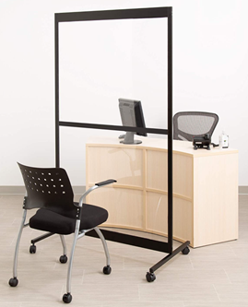 CE: These goods were considered to be furniture in Cl. 06-06. | IB: See KR Proposal No 5 for "Sneeze guards for desks" and FR Proposal No. 4 for "Table divider screens", both in 06-06. CN: These goods are either on the floor or on the desktop. We suggest changing the entry to"Divider screens" to cover all these goods. See FR Proposal No.4 and KR Proposal No.5. | NO: To avoid confusion as to where screens for infection control should go, we think this entry would be useful.
A | FR-15-4 | 6 | 06 |  |  | Add | Table divider screens |  | Ajouter | Écrans séparateurs de tables |  |  | 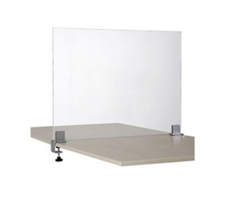 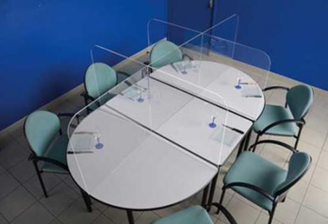 | IB: Voir KR proposition no 5 "Sneeze guards for desks" et NO proposition no 3 "Screens for infection control" , en 06-06. CN: These goods are either on the floor or on the desktop. We suggest changing the entry to"Divider screens" to cover all these goods. See NO Proposal No. 3 and KR Proposal No.5. | FR: We thank IB and CN for their comments. We would be interested to know the opinion of the committee on the CN proposal. Could we consider these two types of goods under the same entry "Dividers screens"? Nous remercions IB et CN pour leurs commentaires. Nous serions très intéressés de connaitre l'avis du Comité sur cette question. Pouvons-nous accepter ces deux types de produits sous la même entrée "Ecrans séparateurs"?
A | KR-15-2 | 6 | 09 |  |  | Add | Baby head protection pillows |  | Ajouter | Coussins protège-tête pour bébés |  |  | A type of baby head protector that provides anti-crush function with a thick pad | IB: Are these goods "Articles of clothing" in Cl. 2? Or could they belong to 06-09 by analogy with 100722 "Anatomical cushions // Coussins anatomiques" and 100710 "Footmuffs [electric or non-electric] // Chancelières [électriques ou non électriques]"? CN: We would classify these goods in 06-09 DE: 'This seems to be more like a pillow and then it better fits in class 06-09. | KR: We acknowledge the comments we have got, so we will modify this proposal to 06-09. (Initial proposal in Cl. 2-99)
A | RU-15-7 | 6 | 13 |  |  | Add | Funerary palls |  | Ajouter | Draps funéraires |  |  | 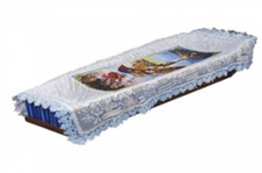 Funerary palls are intended for covering corpse in the coffin
A | CN-15-50 | 7 | 01 |  |  | Add | Wine decanters |  | Ajouter | Carafes à vin |  |  |  | IB: We suggest "Wine decanters" (without hyphen) or simply "Decanters". | CN: Following the comments from IB, we have modified our proposal to “Wine decanters”. (without hyphen)
A | CN-15-51 | 7 | 01 |  |  | Add | Water filter jugs |  | Ajouter | Carafes filtrantes pour l'eau |  |  | Filter the tap water for drinking directly.
A | KR-15-6 | 7 | 02 |  |  | Add | Air fryers |  | Ajouter | Friteuses à air |  |  | An article that fries food using mainly hot air with no oil
W | CN-15-52 | 7 | 02 |  |  | Add | Braised beakers |  | Ajouter | Cuiseurs isothermes |  |  |  | IB: Please can you give us more information about these goods? FR We'd like to have more details about these items. FR nous souhaiterions avoir plus de détails sur ces produits. | CN: Braised beakers are a convenient and economical cooking utensil. Its working process is to put food (such as rice) into the beaker, then add boiling water, then cover the lid and keep it stuffy for about 2 hours. With the help of the beaker's heat preservation function, the food is cooked at a temperature similar to boiling water. Since braised beakers and braised pots are different goods, we have modified our proposal to “Braised beakers”in col.G. (Initial wording: Braised beakers / Braised pots)
A | WO-15-14 | 7 | 02 |  |  | Add | Bulb basters |  | Ajouter | Poires à jus |  |  | By analogy with / Par analogie avec: 07-02 Basting spoons [cooking utensils] // Cuillères pour arroser la viande [ustensiles de cuisson] (104950)
A | WO-15-15 | 7 | 02 | 100891 | Micro-wave ovens | Change | Microwave ovens | Fours à micro-ondes |  |  |  |  | Remove hyphen in EN / Supprimer le trait d'union en EN (FR term unchanged / Terme FR inchangé)
A | WO-15-16 | 7 | 03 | 100902 | Forks [table] | Change | Table forks | Fourchettes |  |  |  |  | FR term unchanged / Terme FR inchangé
A | WO-15-17 | 7 | 03 | 100905 | Knives [table] | Change | Table knives | Couteaux de table |  |  |  |  | FR term unchanged / Terme FR inchangé
A | WO-15-18 | 7 | 03 | 100903 | Handles for tableware | Change | Handles for table cutlery | Manches de couverts de table |  |  |  |  | See / Voir : 07-03 TABLE CUTLERY / COUVERTS DE TABLE (FR term unchanged / Terme FR inchangé)
A | NO-15-38 | 7 | 06 |  |  | Add | Crab crackers |  | Ajouter | Pinces à crabe |  |  | CE: These goods were considered to be table utensils rather than table cutlery. | IB: Or 07-06 by analogy with 101010 "Nutcrackers // Casse-noix". FR Should this entry be extended to include lobsters or shellfish/crustaceans in general? FR Cette entrée doit-elle être étendue pour inclure les homards ou les crustacés en général ?
A | NO-15-39 | 7 | 03 |  |  | Add | Crab cutlery |  | Ajouter | Couverts à crabe
A | CN-15-55 KR-15-9 | 7 | 05 |  |  | Add | Lint removers |  | Ajouter | Appareils Dispositifs anti-peluches |  |  | A handheld device that allows the user to remove fuzz on a fabric | IB: Or 07-05 by analogy with 104862 "Lint rollers"? See KR Proposal No. 9 to add the same goods to 07-99. IB: Or 07-05 by analogy with 104862 "Lint rollers"? See CN Proposal No. 55 to add the same goods to 08-03. CN: We will revise our proposal No.55 to 07-05 | CN: Following the comments from IB, we have modified our proposal to Cl.07-05. (Initial proposal in Cl. 8-03) KR: Following the comments from IB, we will modify our proposal to 07-05. (Initial proposal in Cl. 7-99)
A | WO-15-21 | 7 | 06 | Subclass Heading / Intitulé de sous-classe | OTHER TABLE UTENSILS | Change | OTHER KITCHEN AND TABLE UTENSILS | AUTRES USTENSILES DE TABLE | Changer | AUTRES USTENSILES DE CUISINE ET DE TABLE |  |  | Some of the goods in 07-06 cannot really be considered to be "table utensils / ustensiles de table"; this change would better describe the goods in this subclass, for example, Bottle cap removers / Décapsuleurs (101016) or Nutcrackers / Casse-noix (101010), as well as the proposed transfer of tin openers / Can openers // Ouvre-boîtes to 07-06 by analogy with Jar openers / Ouvre-bocaux (104953). | CN: How about 104955 "Clips for lifting hot dishes" and 104735 "Food covers [domes]" in 07-99? We think both of them belong to kitchen and table utensils. | IB: If this proposed change in wording is accepted, for the next CE we will review all the terms in 07-99 to see if any could be transferred to 07-06.
A | WO-15-20 NO-15-12 | 7 | 99 | 101089 | Tin openers / Can openers | Transfer |  | Ouvre-boîtes | Transférer |  | 7 | 06 | By analogy with Bottle openers / Ouvre-bouteilles (101037) and Jar openers / Ouvre-bocaux (104953) in 07-06.
A | NO-15-13 | 7 | 99 | 101084 | Tube squeezers | Transfer |  | Presse-tubes | Transférer |  | 7 | 06 |  | JP: We think it's not always for the table utensils, so we think it could be in 07-99.
A | CN-15-53 | 7 | 09 |  |  | Add | Toothpick boxes holders |  | Ajouter | Porte-cure-dents Boîtes à cure-dents |  |  |  | IB: Or in 07-09 as "STANDS AND HOLDERS FOR HOUSEHOLD APPLIANCES AND UTENSILS"? | CN: We thank IB for their comments. We have modified our proposal to “Toothpick boxes” and keep it in Cl. 07-06. (Initial wording: Toothpick holders)
A | KR-15-7 | 7 | 06 |  |  | Add | Wine aerators [table utensils] |  | Ajouter | Aérateurs de vin [ustensiles de table] |  |  | A tool that helps to accelerate the process of wine aeration to reach the best of its potential | IB: Or "Wine aerators" in 07-04 by analogy with 100918 "Appliances, hand-operated, for preparing drinks // Appareils, actionnés manuellement, pour préparer les boissons"? In any case, we suggest "Wine aerators [table utensils]". | KR: These goods are used by putting it into the mouth of bottles. Therefore we would keep this proposal in 07-06 with 101008 "Anti-drip rings for bottles" and 101011 "Anti-drip devices for necks of containers" in 07-06.
A | CN-15-54 | 7 | 06 | 101004 | Cruet stands for oil and vinegar | Transfer |  | Huiliers-vinaigriers | Transférer |  | 7 | 09 |  | FR We will rather leave this entry in class 07.06 FR Nous préférons garder cette entrée en classe 07.06 | CN: We thank FR for their comments. We prefer to maintain our proposal as submitted.
A | WO-15-19 | 7 | 10 | Subclass Heading / Intitulé de sous-classe | COOLING AND FREEZING DEVICES AND ISOTHERMAL CONTAINERS | Change | COOLING AND FREEZING DEVICES, INSULATING CONTAINERS | DISPOSITIFS DE REFROIDISSEMENT ET DE CONGÉLATION ET CONTENEURS ISOTHERMES | Changer | DISPOSITIFS DE REFROIDISSEMENT ET DE CONGÉLATION, CONTENEURS ISOLANTS |  |  | See / Voir : 07-10 Vacuum flasks / Insulating bottles // Bouteilles isolantes (100787) 07-10 Insulating pots // Pots isolants (100839) 07-10 Insulating boxes [household] // Boîtes isolantes [ménage] (101054)
A | WO-15-22 | 8 | 05 |  |  | Add | Glass scrapers |  | Ajouter | Racloirs à verre |  |  | This wording previously featured in 100988 in 07-05 but at CE14 the CE agreed to change the wording to "Window squeegees / Raclettes pour fenêtres" as that was considered more appropriate in 07-05. Discussion suggested that the CE felt that "window scrapers" could belong to 08-05 and so the IB proposes that this entry be added to 08-05 to match the practice for the following entries: 07-05 Floor squeegees / Raclettes de sol (104730) 08-05 Floor scrapers / Racloirs pour planchers (101309) | DE: This term might be allready covered by the existing LOC term ID 103131 Ice scrapers. What is the different beetween those two terms? | IB: A window scraper is a tool which holds a blade used for scraping stains and debris from the surface of the glass. As these goods can be used for scraping many kinds of glass, such as oven doors or cooker tops, we will modify our proposal to: Glass scrapers / Racloirs à verre (Initial wording: Window scrapers / Racloirs pour fenêtres)
W | NO-15-11 | 8 | 05 |  |  | Add | Window scrapers |  | Ajouter | Racloirs pour fenêtres |  |  |  | IB: See also IB Proposal No. 22. DE: 'This term might be allready covered by the existing LOC term ID 103131 Ice scrapers. What is the different beetween those two terms? | NO: It could e.g. be for removing paint stains from windows.
A | WO-15-23 | 8 | 05 | 101309 | Floor scrapers |  |  | Racloirs pour planchers | Changer | Grattoirs Racloirs de sol |  |  | For consistency with / Pour la cohérence avec : 07-05 Floor squeegees / Raclettes de sol (104730). (EN term unchanged / Terme EN inchangé)
A | WO-15-24 | 8 | 05 | 101228 | Scaling tools for boilers / Tools for scaling boilers | Change | Tools for descaling boilers | Outils à détartrer les chaudières |  |  |  |  | To align the EN and FR versions / Pour aligner les versions EN et FR (FR term unchanged / Terme FR inchangé)
A | KR-15-10 | 23 | 99 |  |  | Add | Air Sterilizing atomizers [hand-operated] |  | Ajouter | Pulvérisateurs pour la stérilisation [à main] Atomiseurs à main pour la stérilisation de l'air |  |  |  | IB: Please can you provide us with more information about these goods and how they differ from 103772 “Air sterilizing apparatus / Apparatus for air sterilization // Appareils pour la stérilisation de l'air”? CN: We think these goods belong to 103772 Air sterilizing apparatus in 23-04 | KR: These are hand-operated articles that spray disinfectant solution by people like the picture below. We could classify these in 08-05 by analogy with 101308 "Agricultural atomizers [hand-operated]".
A | MX-15-2 | 8 | 05 |  |  | Add | Welding electrode holders |  | Ajouter | Porte-électrodes de soudure |  |  | 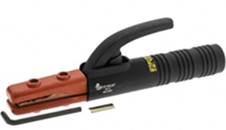 in class 08-05 there is Welding Torches,but this it not same product, this product is a Holder or clamp for support electrode rod
A | WO-15-25 | 8 | 06 | 101344 | Handles for carrycots | Delete |  | Poignées de nacelles pour bébés | Supprimer |  |  |  | At CE14 the IB proposed that this entry be transferred to 06-02 by analogy with 100554 Carrycots for babies / Nacelles pour bébés but this proposal did not reach consensus. The IB therefore proposes that this term be deleted as it does not seem appropriate to classify it in Class 8 Tools and hardware / Outils et quincaillerie. They are also different in nature to the other handles in 08-06.
A | WO-15-26 | 9 | 05 |  |  | Add | Dissolvable capsules [packaging] |  | Ajouter | Capsules solubles [emballages] |  |  | 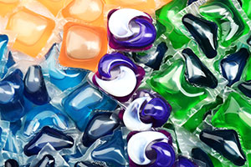 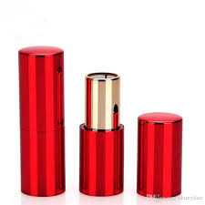 At CE14, 101003 Capsules containing washing products // Capsules avec produits de lavage was deleted from 07-05 as it was considered too vague. The IB considers that capsules containing laundry detergent should belong to 09-05 as a type of packaging. | CN: We would classify these goods in 28-99 by analogy with 104369 "Blocks of washing products". FR : We would prefer a shorter spelling, maybe "Dissolvable capsules [packaging]" / "Capsules solubles [emballages]" if it's not too vague? FR : nous préfererions une désignation plus courte, peut-être "Capsules solubles [emballages]"/"Dissolvable capsules [packaging]" si cela n'est pas trop vague? DE: We would prefer a broader term of this kind of packaging which also includes products for cleaning and care like soap or shampoo. | IB: Thank you for your comments. We will modify this proposal to: Dissolvable capsules [packaging] / Capsules solubles [emballages] (Initial wording: Dissolvable capsules containing laundry detergents / Capsules solubles contenant des détergents pour le linge) Regarding the classification, 104369 “Blocks of washing products” are classified in 28-99 because a solid product is able to form a design, whereas in the case of liquids there cannot be a design – the design is in the packaging, which is the reason why we would classify this good in Cl. 9.
A | WO-15-27 | 9 | 07 | 101623 | Caps [for bottles] | Change | Bottle caps | Capsules [pour bouteilles] | Changer | Capsules de bouteilles
A | WO-15-28 | 9 | 07 | 101633 | Clips [closing means] for packaging / Closing means [Clips] for packaging | Change | Clips [closing means] for packaging | Pinces [fermetures] pour emballages / Fermetures [pinces] pour emballages | Changer | Pinces [fermetures] pour emballages
A | CN-15-56 | 9 | 07 | 101615 | Bands for skeins of wool | Transfer |  | Bandes pour écheveaux de laine | Transférer |  | 9 | 06
A | WO-15-29 | 9 | 08 | 101634 | Pallets [fork truck platforms] | Change | Handling platforms for forklift trucks | Plates-formes de manutention [palettes] | Changer | Plateformes de manutention pour chariots élévateurs |  |  | 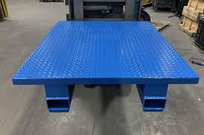 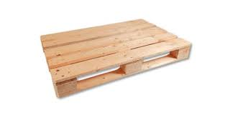 To align the EN and FR versions / Pour aligner les versions EN et FR These goods are platforms used with forklift lifting apparatus. See also 101635 Pallets for forklifts / Palettes de manutention
A | WO-15-30 | 12 | 05 | 102070 | Forklifts | Change | Forklifts [apparatus] | Élévateurs à fourches | Changer | Lève-palettes |  |  | 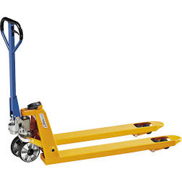 Forklifts can be hand-operated apparatus with hydraulic assistance (pictured) or forklift trucks (see proposal for 102067).
A | WO-15-31 | 12 | 05 | 102067 | Lift trucks | Change | Forklift trucks | Chariots élévateurs |  |  |  |  | 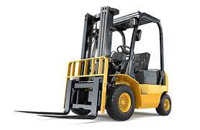 FR term unchanged / Terme FR inchangé
A | WO-15-32 | 9 | 09 |  |  | Add | Bins for Containers for the disposal of sanitary products |  | Ajouter | Poubelles pour produits hygiéniques / Poubelles pour produits périodiques Conteneurs pour l'élimination des produits sanitaires |  |  | 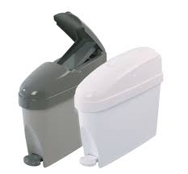 By analogy with / Par analogie avec: 09-09 Refuse receptacles / Dustbins / Garbage cans // Poubelles (101639) | FR : See IB proposal n°33 Maybe we can suggest by analogy "Sanitary products disposal pails/ sanitary products disposal bins"/ "Poubelles pour produits hygiéniques/ Poubelles pour produits périodiques"? FR : Voir la proposition IB n°33 Peut-être pouvons-nous suggérer par analogie "Poubelles pour produits hygiéniques / Poubelles pour produits périodiques"/"Sanitary products disposal pails/ sanitary products disposal bins" | IB: Thank you for your suggestions. Pails is not appropriate in this instance in EN. We would be prepared to discuss replacing "containers / conteneurs" with "bins / poubelles" during the CE.
A | WO-15-33 | 9 | 09 |  |  | Add | Diaper disposal pails / Nappy disposal bins |  | Ajouter | Poubelles à couches |  |  | 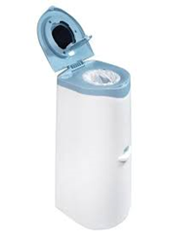 | FR : in french only, maybe "Poubelles pour les couches"? FR : en français seulement, peut-être "Poubelles pour les couches"? | IB: Thank you for your suggestion but, after consulation with our translation unit, the IB maintains its proposal / Nous vous remercions de votre suggestion mais, après consultation avec notre unité de traduction, le BI maintient sa proposition.
W | WO-15-34 | 10 | 04 |  |  | Add | Data loggers |  | Ajouter | Enregistreurs de données |  |  | A data logger is "a device which allows a series of measurements from an external sensor to be automatically recorded, typically in digital form" (Lexico.com). The IB believes that these goods belong to 10-04 OTHER MEASURING INSTRUMENTS, APPARATUS AND DEVICES // AUTRES INSTRUMENTS, APPAREILS ET DISPOSITIFS DE MESURE
A | WO-15-35 | 10 | 04 | 101738 | Scales [for weighing people] | Change | Scales for weighing people / Bathroom scales | Pèse-personnes |  |  |  |  | Bathroom scales is the common name for these goods in EN. (FR term unchanged / Terme FR inchangé)
A | WO-15-36 | 10 | 04 | 101741 | Weights [for scales] | Change | Weights for scales | Poids [mesures] | Changer | Poids pour balances
A | DE-15-12 | 10 | 04 |  |  | Add | Tally counters |  | Ajouter | Compteurs manuels |  |  | 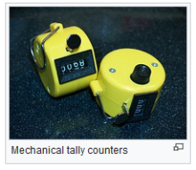 [https://en.wikipedia.org/wiki/Tally_counter] This product is used to counting certain events; For example, counting people entering a shop, traffic surveys, passenger counting on the train.
A | DE-15-13 | 10 | 04 |  |  | Add | Row counters [knitting] |  | Ajouter | Compte-rangs [tricot] |  |  | https://en.wikipedia.org/wiki/Row_counter_(hand_knitting) A row counter for hand knitting is a tally counter for counting rows or courses worked, for counting stitch pattern repetitions, or for counting increases or decreases of the number of stitches in consecutive rows. [https://de.wikipedia.org/wiki/Datei:Reihenz%C3%A4hler_01_(fcm).jpg (© Frank C. Müller)] [D724460 - Knitting counter]
A | KR-15-11 | 10 | 05 |  |  | Add | Body temperature measuring detection devices for access control |  | Ajouter | Dispositifs de mesure de la température corporelle pour le contrôle d'accès |  |  | Added 'body temperature detection device', as unlike 'thermometers [including medical thermometers]' of Class 10-04, an attached camera detects elevated human body temperature and raises an alert when detected temperature exceeds a predetermined level | IB: We would still classify these goods in 10-04 based on Note a. that reads "Including instruments, apparatus and devices for measuring temperature, pressure, weight, length, volume and electricity." See also FR Proposal No. 6 for "Sanitary access control gates" in 10-05. | KR: These are devices that detect elevated human body temperature to control access, so we maintain this proposal. However we can discuss the possibility of classifying these goods in 10-04 at the CE.
A | FR-15-6 | 10 | 05 |  |  | Add | Sanitary access control gates |  | Ajouter | Portiques de contrôle d'accès sanitaire |  |  | 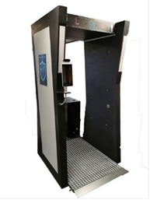 This multi-tool gate can control body temperature or vaccination status and can spray sanitising products, etc. Portique multifonctions qui peut vérifier la température d'une personne ou les informations vaccinales, pulvériser du gel désinfectant, etc. | IB: Voir KR proposition no 11 "Body temperature detection devices" en 10-05 et KR proposition no 23 "Body sanitizer machines [except for medical purposes]" en 23-08.
A | KR-15-23 | 23 | 99 |  |  | Add | Human sanitization disinfection chambers [except for medical purposes] |  | Ajouter | Cabines de désinfection pour êtres humains [autres qu'à usage médical] |  |  | When triggered, it creates a mist of sanitizing solution to disinfect people (Suggested to add to distinguish it from 'sterilizing cabinets [except for medical purposes]' of Class 15-05 and 'sterilizing and disinfecting chambers' of Class 24-01) | IB: We suggest "Human sanitization chambers [except for medical purposes]" in 23-08. See also FR Proposal No. 6 for "Sanitary access control gates" in 10-05. | KR: Following the comments from IB, we will modify our proposal to "Human sanitization chambers [except for medical purposes]". (Initial wording: Body sanitizer machines [except for medical purposes])
A | WO-15-37 | 10 | 06 | 101870 | Railway signals [fixed] / Railway signal [fixed] | Change | Railway signals [fixed] | Signaux fixes de chemin de fer |  |  |  |  | FR term unchanged / Terme FR inchangé
A | NO-15-5 | 10 | 06 |  |  | Add | Reflective strapping |  | Ajouter | Sangles réfléchissantes |  |  | 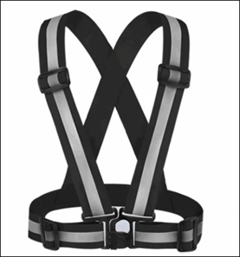 CE: These goods were not considered to be clothing and so were accepted in Cl. 10-06 by analogy with 101816 "Reflecting bands for the feet". | KR: These goods could be classified in 02-07 by analogy with 100274 "Fluorescent belts [clothing]". DE: The product shown in the picture seems to be more like a garment for protection against accidents and should be classified in class 02-02. See also the note b) class 29-02. | NO: We think this is not really a garment, and we are thinking in analogy with 101816 Reflecting bands for the feet.
A | WO-15-38 | 10 | 07 | Note(s) | "Casings" means watch and clock casings and all casings being integral parts of instruments of which they protect the mechanism, with the exception of cases specially designed for their contents (Cl. 03-01) or for packaging (Cl. 09-03). | Change | "Casings" means watch and clock casings and all casings being integral parts of instruments for which they protect the mechanism, with the exception of cases specially designed for their contents (Cl. 03-01) or for packaging (Cl. 09-03). | Par "boîtes", on entend les boîtes de montres, les cabinets d'horloges et tous les boîtiers faisant partie intégrante des instruments dont ils protègent le mécanisme, à l'exclusion des étuis (cl. 03-01 ou, s'il s'agit d'emballage, cl. 09-03). | Changer | Par "boîtes", on entend les boîtes de montres, les cabinets d'horloges et tous les boîtiers faisant partie intégrante des instruments dont ils protègent le mécanisme, à l'exclusion des étuis adaptés à leur contenu (cl. 03-01) ou pour l'emballage (cl. 09-03). |  |  | To align the EN and FR versions / Pour aligner les versions EN et FR
A | SE-15-2 | 11 | 02 |  |  | Add | Paintings for interior decoration |  | Ajouter | Tableaux pour la décoration intérieure |  |  | 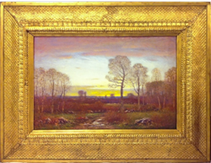 Today we find it difficult to classify design applications which merely consist of a painting sorrounded by a frame. In order to illustrate, please see the painting and the frame below. Therefore, we would like to propose that the term paintings for interior decoration is added in Class 11.99. CE: The CE considered these goods to be wall ornaments in Cl. 11-02. | KR: Or 11-02 by analogy with 101936 "Wall ornaments"? CN: We would classify these goods in 11-02. FR : we face the same difficulties to classify this type of products. We don't accept it as a "Wall ornament" in class 11.02 (ID 101936). Presently, we consider that this product is composed of two elements, a frame in class 06.07 and a drawing/painting in class 32.00, and we separate them. We would be interested to know the opinion of the committee on this question. FR : nous rencontrons les mêmes difficultés pour classer ce type de produits. Nous ne l'acceptons pas comme un "Ornement de mur" en classe 11.02 (ID 101936). Actuellement, nous considérons que ce produit est composé de deux éléments différents, un cadre en classe 06.07 et un dessin en classe 32.00, et nous les séparons. Nous serions très intéressés de connaitre l'avis du Comité sur cette question. | SE: We would like to express our thanks to FR, CN and KR for their comments. In line with FR we would be very pleased to have the opinion of the commitee in this matter. We prefer to maintain our proposal as submitted.
A | WO-15-39 | 12 | 01 | 102009 | Tipcarts | Delete |  | Tombereaux | Supprimer |  |  |  | 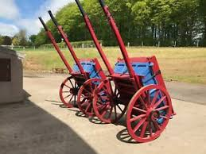 Such vehicles drawn by animals are not common nowadays
A | WO-15-40 | 12 | 08 |  |  | Add | Dump trucks |  | Ajouter | Camions-bennes |  |  | 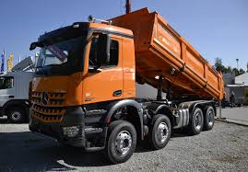
A | WO-15-41 | 12 | 08 | Note(s) | Including ambulances and refrigerator vans (road). | Change | Including ambulances and refrigerated lorries. | Y compris les ambulances et les voitures frigorifiques. | Changer | Y compris les ambulances et les camions frigorifiques. |  |  | 12-08 MOTOR CARS, BUSES AND LORRIES / AUTOMOBILES, AUTOBUS ET CAMIONS Voir 102158 Camions frigorifiques
A | WO-15-42 | 12 | 08 | 102158 | Refrigerator motor trucks / Refrigerator vans [road] | Change | Refrigerated lorries / Refrigerated trucks | Camions frigorifiques |  |  |  |  | FR term unchanged / Terme FR inchangé
A | WO-15-43 | 12 | 03 | 102055 | Refrigerator wagons [rail] / Refrigerator cars [rail] | Change | Refrigerated rail wagons / Refrigerated rail cars | Wagons frigorifiques |  |  |  |  | FR term unchanged / Terme FR inchangé
A | NO-15-20 | 12 | 11 |  |  | Add | All-terrain vehicles [ATV] |  | Ajouter | Véhicules tout-terrain |  |  | 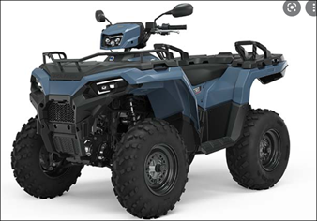 | IB: We suggest "All-terrain vehicles [ATV]". | NO: We agree on changing our proposal to "All-terrain vehicles [ATV]". (addition of a hyphen)
A | WO-15-44 | 12 | 11 | 104656 | Scooters | Change | Push scooters | Trottinettes |  |  |  |  | 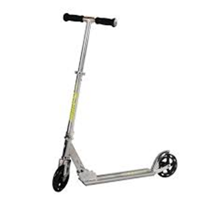 To clearly distinguish these goods from Motor scooters / Scooters (102184) and Electric scooters / Trottinettes électriques (104975), amongst others. (FR term unchanged / Terme FR inchangé)
A | WO-15-45 | 12 | 12 | 102211 | Quadricycles | Delete |  | Quadricycles | Supprimer |  |  |  | Polysemantic. In any case why is it in 12-12 PERAMBULATORS, INVALID CHAIRS, STRETCHERS?
A | WO-15-46 | 12 | 13 | 102221 | Snowplows [vehicles] | Change | Snowploughs [vehicles] / Snowplows [vehicles] | Chasse-neige [véhicules] |  |  |  |  | GB EN spelling more commonly used in LOC. (FR term unchanged / Terme FR inchangé)
A | WO-15-47 | 12 | 13 | Note(s) | a. Including only vehicles not specifically intended for transport, such as street-cleaning vehicles, watering lorries, fire engines, snow ploughs and breakdown lorries. b. Not including mixed-purpose agricultural machines (Cl. 15-03), or self-propelled machines for use in construction and civil engineering (Cl. 15-04). | Change | a. Including only vehicles not specifically intended for transport, such as street-cleaning vehicles, watering lorries, fire engines, snowploughs and breakdown lorries. b. Not including mixed-purpose agricultural machines (Cl. 15-03), or self-propelled machines for use in construction and civil engineering (Cl. 15-04). | a. Ne comprend que les véhicules non spécifiquement destinés au transport, tels que les balayeuses, arroseuses, voitures de pompiers, chasse-neige et dépanneuses. b. Non compris les machines agricoles de caractère mixte (cl. 15-03), ni les machines automotrices pour la construction ou le génie civil (cl. 15-04). |  |  |  |  | FR term unchanged / Terme FR inchangé
A | WO-15-48 | 12 | 13 | 102229 | Snowblowers | Change | Snowblowers [vehicles] | Fraises à neige | Changer | Fraises à neige [véhicules] |  |  | 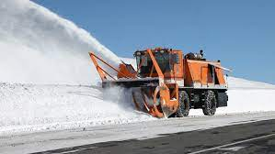
A | WO-15-49 | 15 | 03 |  |  | Add | Snowblowers [machines] |  | Ajouter | Fraises à neige [machines] |  |  | 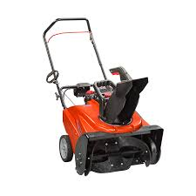 The IB would classify these goods in 15-03 by analogy with goods like 102624 Lawn mowers // Tondeuses à gazon
A | CN-15-57 | 15 | 05 |  |  | Add | Leaf blowers |  | Ajouter | Souffleurs de feuilles |  |  |  | IB: We find the term "Blowers" too broad and would simply call these goods "Leaf blowers". But we would not classify these goods in 15-05 as they are not "WASHING, CLEANING AND DRYING MACHINES". Perhaps 15-03 is more appropriate. See also IB Proposal No. 49 to add "Snowblowers [machines]" in 15-03. | CN: Following the comments from IB, we have modified our proposal to “Leaf blowers”. The function of the leaf blowers is to blow away the fallen leaves on the ground, so as to make the ground clean, and it belongs to cleaning machinery. We prefer to maintain our proposal in Cl.15-05. (Initial proposal: Blowers / Leaf blowers / Garden blowers)
A | WO-15-50 | 12 | 16 | 102287 | Rearview mirrors for vehicles [inside] | Change | Rearview mirrors for vehicles [interior] | Rétroviseurs pour véhicules [intérieur] |  |  |  |  | To align the EN and FR versions / Pour aligner les versions EN et FR (FR term unchanged / Terme FR inchangé)
A | WO-15-51 | 12 | 16 | 104981 | Side view mirrors for vehicles [outside] | Change | Side view mirrors for vehicles [exterior] | Rétroviseurs latéraux pour véhicules [extérieur] |  |  |  |  | To align the EN and FR versions / Pour aligner les versions EN et FR (FR term unchanged / Terme FR inchangé)
A | KR-15-12 | 13 | 02 |  |  | Add | Charging cases for wireless earphones |  | Ajouter | Étuis de recharge pour écouteurs sans fil |  |  | A case(holder) with charging function for wireless earphones. (Suggested to add given that there is confusion with 'case' listed in 03-01) | IB: See also MX Proposal No. 3 to add "Battery charging cases for earphones" to 13-02.
W | MX-15-3 | 13 | 02 |  |  | Add | Battery charging cases for earphones |  | Ajouter | Étuis de recharge pour écouteurs sans fil |  |  | 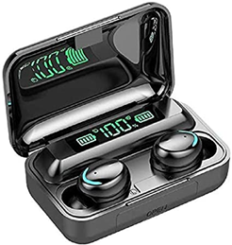 This is product is now presented as earphone cases and battery charging cases, but this product involve charging battery, so this function is preferred | IB: See also KR Proposal No. 12 to add "Charging cases for wireless earphones" to 13-02. We prefer the wording "Charging cases for wireless earphones".
A | KR-15-3 | 3 | 01 |  |  | Add | Covers for earphone cases |  | Ajouter | Coques pour étuis d'écouteurs |  |  | Suggested to avoid confusion with the 'Charging cases for wireless earphones' | IB: Please could you clarify the nature of these products. Are they covers that go over separate earphone cases like these: | KR: Like the example that IB gave, it is a cover that goes over separate eaphone case.
A | WO-15-52 | 14 | 01 | 102431 | Earphones for monitoring broadcasts or recordings | Change | Earpieces for monitoring broadcasts or recordings | Écouteurs de contrôle d'émissions ou d'enregistrements | Changer | Oreillettes de contrôle d'émissions ou d'enregistrements |  |  | 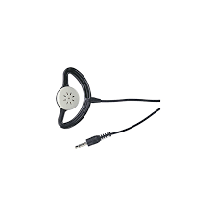
A | WO-15-53 | 14 | 01 |  |  | Add | Earphones |  | Ajouter | Écouteurs |  |  | By analogy with / Par analogie avec: 14-01 Headphones / Casques d'écoute (102419). | 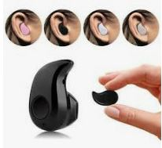 KR: Do "Earphones" include "Wireless bluetooth earphones" like these? | IB: We would consider this term to include all earphones whether they are wired, wireless or have any other characteristic.
A | WO-15-54 | 14 | 02 | 102438 | Document sorting machines [data processing] | Delete |  | Trieuses de documents [informatique] | Supprimer |  |  |  | Document sorting machines [other than for information retrieval] / Trieuses de documents [autres que pour l'informatique] was deleted from 18-99 at CE14 because the CE decided the meaning was unclear. Should this entry also be deleted?
A | KR-15-13 | 14 | 02 |  |  | Add | Motion capture devices |  | Ajouter | Dispositifs de capture de mouvement |  |  | A device that digitally records the movement of people is used in entertainment, sports, medical applications, robotic, etc. | FR We'd like to have more details about this item. For example, is it a camera working with sensors? FR nous souhaiterions avoir plus de détails sur ce produit. Par exemple, s'agit-il d'une caméra vidéo fonctionnant avec des capteurs? | KR: Yes. These are cameras working with sensors that are used in filmmaking, sports therapy and for control of robotics.
A | NO-15-41 | 14 | 03 |  |  | Add | Electronic tracking tags |  | Ajouter | Étiquettes électroniques de suivi |  |  | A tag you can attach to objects. It sends Bluetooth signals so that you can find lost objects. | IB: renumbered as proposal No. 41 to avoid two Proposal Nos. 37.
A | KR-15-14 | 14 | 04 |  |  | Add | Augmented reality graphical user interfaces [for screen display] |  | Ajouter | Interfaces utilisateurs graphiques de réalité augmentée [pour affichage sur écran]
A | KR-15-15 | 14 | 02 |  |  | Add | Smart pens |  | Ajouter | Stylos intelligents |  |  | An article that is able to take notes while simultaneously recording lectures or discussions, as well as store digital copies of notes | IB: Or 14-02 by analogy with 104649 "Reading and talking pens // Stylos lecteurs parlants"? | KR: We would classify these goods in 14-99 by analogy with 104664 "Styluses for touch screens".
A | KR-15-16 | 23 | 99 |  |  | Add | Disinfectant foggers [electric] [except for agricultural use] |  | Ajouter | Nébulisateurs électriques pour désinfecter [sauf pour usage agricole] [à l'exception de l'usage agricole] |  |  |  | IB: See also 103791 "Disinfection equipment for premises // Appareils aseptiseurs pour locaux" in 24-01. CN: We want to know the difference between 103791 "Disinfection equipment for premises" in 24-01 and 103772 “Air sterilizing apparatus" in 23-04 | KR: These are devices that disinfect indoor areas such as offices, restaurants, residentials etc.(See KR Proposal No.19 to add "Ultraviolet disdinfection robots" and IB Proposal No. 55 to add "Robots for sterilizing surfaces" to 15-05.) We would keep this proposal, but we can discuss it at the CE.
A | KR-15-17 | 15 | 05 |  |  | Add | Robots for window cleaning |  | Ajouter | Robots pour le nettoyage des vitres |  |  | A machine that sticks to the window to clean the entire window automatically
A | KR-15-19 | 23 | 99 |  |  | Add | Ultraviolet disinfection robots |  | Ajouter | Robots de désinfection par ultraviolets |  |  | A robot equipped with an autonomous system to disinfect offices, hotels, residentials etc.using UV lamps and sensors that detect human's motion and presence | IB: See IB Proposal No. 55 to add "Robots for sterilizing surfaces" to 15-05 and FR Proposal No. 10 to add "Disinfection apparatus with UV lamps" to 24-01. Furthermore, we suggest "Ultraviolet disinfection robots". JP: Although the name is robot, we think it could be in 23-08. Because the main purpose of this is a sanitary device rather than a robot. CN: We would classify these goods in 15-05 | KR: Thank you for your comment. These are for disinfection of indoor areas, therefore following the comments from IB and CN, we will modify the wording and class of this proposal to "Ultraviolet disinfection robots" in 15-05. (Initial proposal: UV disinfection robots in Cl. 15-99)
W | WO-15-55 | 15 | 05 |  |  | Add | Robots for sterilizing surfaces |  | Ajouter | Robots pour la stérilisation des surfaces |  |  | 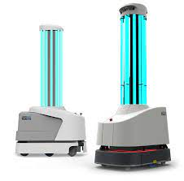 By analogy with / Par analogie avec: 15-05 Floor cleaning machines / Machines for cleaning floors // Machines pour le nettoyage des sols / Machines pour le nettoyage des planchers (102659)
A | FR-15-10 | 24 | 01 |  |  | Add | Disinfection apparatus using ultraviolet lamps |  | Ajouter | Appareils pour la désinfection par lampes à rayons ultraviolets |  |  | 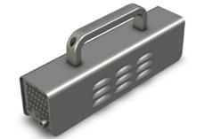 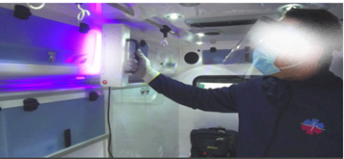 These apparatus destroy viruses and bacteria on surfaces and objects. Ces appareils éliminent les bactéries et les virus sur les surfaces et les objets. CE: The CE accepted these goods in Cl. 24-01 by analogy with 103791 "Disinfection equipment for premises". | IB: Voir aussi IB proposition no 55 "Robots for sterilizing surfaces" en 15-05 and KR proposition no 19 "UV disinfection robots" en 15-99. En plus, nous suggérons "Disinfection apparatus using ultraviolet lamps // Appareils pour la désinfection par lampes à rayons ultraviolets". CN: We would classify these goods in 15-05. | FR: Following the comments from IB, we will modify our proposal to "Disinfection apparatus using ultraviolet lamps // Appareils pour la désinfection par lampes à rayons ultraviolets". (Initial wording: Disinfection apparatus with UV lamps / Appareils pour la désinfection par lampes UV) We prefer to keep it in class 24.01. Suite aux commentaires de l'IB, nous modifions notre proposition en "Disinfection apparatus using ultraviolet lamps // Appareils pour la désinfection par lampes à rayons ultraviolets". (Libellé initial: Disinfection apparatus with UV lamps / Appareils pour la désinfection par lampes UV) Nous préférons la conserver en classe 24.01.
A | CN-15-58 | 15 | 09 |  |  | Add | Injection moulding machines / Injection molding machines |  | Ajouter | Machines de moulage par injection |  |  |  | FR We'd like to have more details about these items. FR nous souhaiterions avoir plus de détails sur ces produits. | CN: An injection molding machine is molding equipment that uses plastic molding dies to make thermoplastic or thermosetting plastics into plastic products of various shapes. It’s analogy with 102774 " Brick and tile molding machines" in Cl.15-09.
A | CE-15-1 | 7 | 02 | 100859 | Moulds for baking or confectionery | Change | Moulds for baking or confectionery / Molds for baking or confectionery | Moules pour la pâtisserie ou la confiserie |  |  |  |  | CE: The CE decided that all entries relating to molds/moulds should be harmonized to include both spelling variants.
A | CE-15-2 | 7 | 02 | 100887 | Cookery molds | Change | Cookery moulds / Cookery molds | Moules de cuisine
A | CE-15-3 | 8 | 05 | 101257 | Ingot molds | Change | Ingot moulds / Ingot molds | Lingotières
A | CE-15-4 | 8 | 05 | 101262 | Bread molds for bakers | Change | Bread moulds for bakers / Bread molds for bakers | Panetons
A | CE-15-5 | 15 | 09 | 102777 | Moulds for concrete [construction] | Change | Moulds for concrete [construction] / Molds for concrete [construction] | Moules à béton [construction]
A | CE-15-6 | 15 | 09 | 102775 | Presses for molding soap | Change | Presses for moulding soap / Presses for molding soap | Presses à mouler le savon
A | CE-15-7 | 15 | 09 | 102759 | Spindle molding machines | Change | Spindle moulding machines / Spindle molding machines | Toupies [machines]
A | CE-15-8 | 15 | 09 | 102774 | Tile and brick molding machines / Brick and tile molding machines | Change | Tile and brick moulding machines / Brick and tile moulding machines / Tile and brick molding machines / Brick and tile molding machines | Machines à mouler les tuiles et les briques
A | CE-15-9 | 25 | 01 | 103981 | Architectural moldings | Change | Architectural mouldings / Architectural moldings | Moulures d'architecture
A | CE-15-10 | 31 |  | 104518 | Bread molds [machine parts] | Change | Bread moulds [machine parts] / Bread molds [machine parts] | Moules à pain [parties de machines]
A | CE-15-11 | 31 |  | 104525 | Molds for chocolate and confectionery [machine parts] | Change | Moulds for chocolate and confectionery [machine parts] / Molds for chocolate and confectionery [machine parts] | Moules pour chocolaterie et confiserie [parties de machines]
W | WO-15-56 | 15 | 99 |  |  | Add | Reception robots for greeting visitors |  | Ajouter | Robots pour accueillir les visiteurs |  |  | 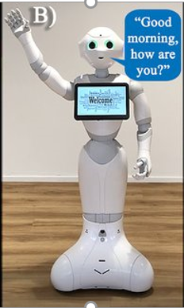 This so-called "reception robot" or "greeting robot" typically performs an interactive function with a human being. The interactive function may have particular visual characteristics (e.g., blinking lights, screen display, movement of robot parts to simulate human gestures), which makes the classification of such robots problematic. CE: The CE saw these goods as being the same as 104784 "Robots for guiding people" (Cl. 15-99). | DE: This might already covered by the existing LOC term ID 104784 Robots for guiding people. | IB: Thank you for your comments. We would appreciate receiving confirmation from the CE that this is the shared understanding.
A | WO-15-57 | 15 | 99 |  |  | Add | Robots [other than those with a specific function] |  | Ajouter | Robots [autres que ceux ayant une fonction spécifique] |  |  | Guidance is requested from the CE on how to classify robots, which do not perform any specific material handling or active guidance function.
A | WO-15-59 | 16 | 06 | 102899 | Fastenings for glasses | Change | Fastenings for spectacles | Attaches pour lunettes |  |  |  |  | Consistency with other entries in 16-06 / Cohérence avec d'autres entrées dans 16-06 We would also appreciate any clarification from the CE as to what they understand by this term / Nous apprécierions également toute clarification de la part du comité sur ce qu'il entend par ce terme (FR term unchanged / Terme FR inchangé)
A | WO-15-60 | 16 | 06 | 102890 | Pince-nez | Change | Pince-nez / Lorgnettes | Lorgnons / Pince-nez | Changer | Pince-nez / Lorgnons |  |  | Lorgnons (known as lorgnettes in EN) are eyeglasses with a handle at one side and as such are different goods from pince-nez / Les lorgnons (appelés lorgnettes en anglais) sont des lunettes munies d'une poignée sur un côté et sont donc différents des pince-nez. (EN term unchanged / Terme EN inchangé)
W | WO-15-61 | 16 | 06 |  |  | Add | Lorgnettes |  | Ajouter | Lorgnons
A | DE-15-14 | 19 | 07 |  |  | Add | Driving simulators for training |  | Ajouter | Simulateurs de conduite pour la formation |  |  | [402020201169-0001] see also cl. 19-07 - ID 104804 Flight simulators for training - ID 104805 Medical simulators for training
A | KR-15-21 | 20 | 03 |  |  | Add | Digital signs |  | Ajouter | Enseignes numériques |  |  | An outdoor billboard that the control center can control through the communication network | IB: We suggest "Digital signs". DE: What is the differnce to the existing LOC term ID 103332 Videoscreens in class 20-03? | KR: Following the comments from IB, we will modify our proposal to "Digital signs". (Initial wording: Digital signage)
A | NO-15-40 | 20 | 03 |  |  | Add | Door signs |  | Ajouter | Plaques de porte |  |  |  | IB: renumbered as proposal No. 40 to avoid two Proposal Nos. 3.
A | NO-15-4 | 20 | 03 |  |  | Add | Electronic door signs |  | Ajouter | Plaques de porte électroniques |  |  |  | IB: Okay by analogy with 103332 "Video screens [electronic notice boards] // Écrans vidéo [tableaux d'affichage électroniques]" (20-03).
A | WO-15-62 | 20 | 03 | 103326 | License tags | Delete |  | Plaques d'immatriculation | Supprimer |  |  |  | See 20-03 Registration plates for vehicles / License plates for vehicles // Plaques d'immatriculation de véhicules (103320) | CN: 103320 cannot cover this entry. | IB: Thank you for your comments. We would appreciate hearing from the CE what they understand by this indication (ID 103326).
A | WO-15-63 | 20 | 03 |  |  | Add | Frames for vehicle registration plates / Frames for vehicle license plates |  | Ajouter | Cadres de plaques d'immatriculation
A | WO-15-65 | 18 | 03 | 103013 | Figures for vehicle number plates / Figures for vehicle registration plates | Change | Figures for vehicle registration plates / Figures for vehicle license plates | Chiffres pour plaques d'immatriculation |  |  |  |  | FR term unchanged / Terme FR inchangé
A | WO-15-66 | 18 | 03 | 103018 | Letters for vehicle number plates / Letters for vehicle registration plates | Change | Letters for vehicle registration plates / Letters for vehicle license plates | Lettres pour plaques d'immatriculation |  |  |  |  | FR term unchanged / Terme FR inchangé
A | WO-15-64 | 19 | 08 | 103225 | Transfers for registration plates | Change | Transfers for vehicle registration plates / Transfers for vehicle license plates | Décalcomanies pour plaques d'immatriculation |  |  |  |  | FR term unchanged / Terme FR inchangé
A | DE-15-15 | 21 | 01 |  |  | Add | Playing card holders |  | Ajouter | Porte-cartes à jouer |  |  | [https://www.vedes.com/suche?query=spielkartenhalter&logInitial=1]
A | FR-15-8 | 21 | 01 |  |  | Add | Mobiles [toys] |  | Ajouter | Mobiles [jouets] |  |  | This mobile has different colours, textures, small toys suspended from it, it's playing music to stimulate babies. We propose several english translations: we are not sure which one is correct. Ce mobile a des couleurs et des textures différentes, des petits jouets suspendus et il joue de la musique pour stimuler les bébés. Nous avons proposé plusieurs traductions en anglais comme nous ne sommes pas sûrs de celle qui serait la plus correcte. | IB: Nous préférons "Mobiles [toys]". | FR: Following the comments from IB, we will modify our english proposal to "Mobiles [toys]". (Initial wording in English: Mobiles [toys] or Crib mobiles or Cot mobiles) Suite aux commentaires de l'IB, nous modifions notre proposition en anglais en "Mobiles [toys]".
A | DE-15-16 | 21 | 02 |  |  | Add | Resistance bands |  | Ajouter | Bandes de résistance pour le fitness sport |  |  | [007961263-0002] | IB: The term "Fitness bands" is often used to refer to wearable activity trackers (Cl. 10-04) so we suggest "Resistance bands" instead. | DE: We follow the IB comment and modified the proposed term into "Resistance bands". (Initial wording: Fitness bands)
A | WO-15-67 | 21 | 02 | 103408 | Gymnasium apparatus | Change | Apparatus for gymnastics | Agrès de gymnastique |  |  |  |  | This change better reflects the meaning of the FR term / Cette modification reflète mieux le sens du terme FR (FR term unchanged / Terme FR inchangé)
A | WO-15-68 | 21 | 02 | 103423 | Gymnastics apparatus and equipment | Change | Gymnasium equipment | Appareils et articles de gymnastique | Changer | Équipements pour gymnases |  |  | To avoid duplication of concepts with 103408 / Pour éviter la duplication des concepts avec 103408
A | WO-15-69 | 22 | 05 |  |  | Add | Underwater fishing lights for attracting fish |  | Ajouter | Lampes pour la de pêche sous-marine pour attirer les poissons |  |  | By analogy with 22-05 Fishing lures / Leurres pour la pêche (103586)
A | WO-15-70 | 22 | 06 | 103602 | Traps for insects [also electric] | Change | Traps for insects [electric or non-electric] | Pièges pour insectes [aussi électriques] | Changer | Pièges pour insectes [électriques ou non électriques]
A | WO-15-71 DE-15-18 | 22 | 06 | 103598 | Insect traps | Delete |  | Attrape-insectes | Supprimer |  |  |  | If the proposal to change 103602 is approved, then this entry would be superfluous / Si la proposition de modification de 103602 est approuvée, cette entrée sera superflue It is a double to - ID 103602 "Traps for insects [also electric]" / "Pièges pour insectes [aussi électriques]" | IB: See also IB Proposal Nos. 70 and 71.
A | DE-15-17 | 22 | 06 | 103605 | Animal traps | Delete |  | Trappes pour animaux | Supprimer |  |  |  | It is a double to - ID 103601 "Traps for animals" / "Pièges pour animaux
A | DE-15-20 | 22 | 06 | 104571 | Baits for mouse traps | Change | Baits for mousetraps or rat traps | Appâts pour pièges à souris | Changer | Appâts pour souricières ou ratières |  |  | To catch mouses or rats the same baits are mostly used. | IB: We suggest "Baits for mousetraps or rat traps // Appâts pour souricières ou ratières". (See 103604 "Mousetraps // Souricières" and 103603 "Rat traps // Ratières [pièges à rats]".) | DE: We follow the IB comment and modified the proposed change of entry into "Baits for mousetraps or rat traps // Appâts pour souricières ou ratières" (Initial wording: Baits for mouse traps or rat traps / Appâts pour pièges à souris ou pièges à rats)
...

